Black SIZE LABEL ORDER FORM
FA24 DKNY LABEL ORDER FORM

客户款号 (CUSTOMER ID): |  |  | D2E4A119/D2E4A122/D2E4A125/D2E4A123/D2E4A124 |  |  |  |  | 收货信息 （SHIP TO):
下单日期 (ORDER DATE): |  |  | 2024-01-03 |  |  |  |  | 公司名称(COMPANY):
PO 号 (PO#): |  |  | D2230313DN/D2230315G2/D2230314DN/D2230316CL/D2230321G2/D2230320DN/D2230318G2/D2230317DN/D2230319DN |  |  |  |  | 地址(ADDRESS):
下单数量 (PLACED QTY): |  |  |  |  |  |  |  | 邮编(POSTAL CODE):
期望交期 (EXPECTED DELIVERY DATE): |  |  | 2024-01-10 |  |  |  |  | 联系人(CONTACT):
产品编号 (REFERENCE NUMBER): |  |  |  |  |  |  |  | 联系电话(TELEPHONE):
下单明细 DETAILS
序号 ITEM | 产品编号 Reference Nunber | 款式 | 产品描述 | 图稿 Artwork | 产品尺寸 size (mm) | 颜色 COLOR | 季节 Season | 尺码 | 产地 | 订单数量 Order QTY | 单价-出厂价/片 | 单价-含税不含运 | 不含税金额 Amount | 含税不含运 金额 Amount
 |  | Style | DESCRIPTION |  |  |  |  | SIZE | COO |  | USD Price-Exw/Pcs | RMB Price-Tax included does not include freigh/PCS
1 | DKNY-EU014-R | Top/dress/bodysuit/jackets/coats | ALPHABET SIZE/CO LABEL,PRINTED LETTERS (CORE LINE) |  | 30*70MM | BLACK GROUND W/ WHITE LETTERS | FA24 | XXS | MADE IN CHINA | 60 |  |  |  | ￥0.000
 |  |  |  |  |  |  |  | XS | MADE IN CHINA | 280 |  |  |  | ￥0.000
 |  |  |  |  |  |  |  | S | MADE IN CHINA | 410 |  |  |  | ￥0.000
 |  |  |  |  |  |  |  | M | MADE IN CHINA | 350 |  |  |  | ￥0.000
 |  |  |  |  |  |  |  | L | MADE IN CHINA | 170 |  |  |  | ￥0.000
 |  |  |  |  |  |  |  | XL | MADE IN CHINA | 60 |  |  |  | ￥0.000
 |  |  |  |  |  |  |  | XXL | MADE IN CHINA |  |  |  |  | ￥0.000
 |  |  |  |  |  |  |  | Size Pls choose | MADE IN CHINA |  |  |  |  | ￥0.000
 |  |  |  |  |  |  |  | Size Pls choose | MADE IN CHINA |  |  |  |  | ￥0.000
1 | DKNY-EU014-R | Bottom/Jumpsuit | ALPHABET SIZE/CO LABEL,PRINTED LETTERS (CORE LINE) |  | 30*70MM | BLACK GROUND W/ WHITE LETTERS | FA24 | Size Pls choose | MADE IN CHINA |  |  |  |  | ￥0.000
 |  |  |  |  |  |  |  | Size Pls choose | MADE IN CHINA |  |  |  |  | ￥0.000
 |  |  |  |  |  |  |  | Size Pls choose | MADE IN CHINA |  |  |  |  | ￥0.000
 |  |  |  |  |  |  |  | Size Pls choose | MADE IN CHINA |  |  |  |  | ￥0.000
 |  |  |  |  |  |  |  | Size Pls choose | MADE IN CHINA |  |  |  |  | ￥0.000
 |  |  |  |  |  |  |  | Size Pls choose | MADE IN CHINA |  |  |  |  | ￥0.000
 |  |  |  |  |  |  |  | Size Pls choose | MADE IN CHINA |  |  |  |  | ￥0.000
 |  |  |  |  |  |  |  | Size Pls choose | MADE IN CHINA |  |  |  |  | ￥0.000
 |  |  |  |  |  |  |  | Size Pls choose | MADE IN CHINA |  |  |  |  | ￥0.000

2 | DKNY-EU017-R | Top/dress/bodysuit/jackets/coats | NUMERIC SIZE/CO LABEL,,PRINTED LETTERS (CORE LINE) | 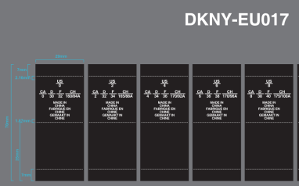 | 30*70MM | BLACK GROUND W/ WHITE LETTERS | FA24 | Size Pls choose | MADE IN CHINA |  |  |  |  | ￥0.000
 |  |  |  |  |  |  |  | Size Pls choose | MADE IN CHINA |  |  |  |  | ￥0.000
 |  |  |  |  |  |  |  | Size Pls choose | MADE IN CHINA |  |  |  |  | ￥0.000
 |  |  |  |  |  |  |  | Size Pls choose | MADE IN CHINA |  |  |  |  | ￥0.000
 |  |  |  |  |  |  |  | Size Pls choose | MADE IN CHINA |  |  |  |  | ￥0.000
 |  |  |  |  |  |  |  | Size Pls choose | MADE IN CHINA |  |  |  |  | ￥0.000
 |  |  |  |  |  |  |  | Size Pls choose | MADE IN CHINA |  |  |  |  | ￥0.000
 |  |  |  |  |  |  |  | Size Pls choose | MADE IN CHINA |  |  |  |  | ￥0.000
 |  |  |  |  |  |  |  | Size Pls choose | MADE IN CHINA |  |  |  |  | ￥0.000
 |  |  |  |  |  |  |  | Size Pls choose | MADE IN CHINA |  |  |  |  | ￥0.000
 |  |  |  |  |  |  |  | Size Pls choose | MADE IN CHINA |  |  |  |  | ￥0.000
2 | DKNY-EU017-R | Bottom/Jumpsuit | NUMERIC SIZE/CO LABEL,,PRINTED LETTERS (CORE LINE) |  | 30*70MM | BLACK GROUND W/ WHITE LETTERS | FA24 | 0 | MADE IN CHINA | 这个码是00码-10个 |  |  |  | #VALUE!
 |  |  |  |  |  |  |  | 0 | MADE IN CHINA | 20 |  |  |  | ￥0.000
 |  |  |  |  |  |  |  | 2 | MADE IN CHINA | 60 |  |  |  | ￥0.000
 |  |  |  |  |  |  |  | 4 | MADE IN CHINA | 100 |  |  |  | ￥0.000
 |  |  |  |  |  |  |  | 6 | MADE IN CHINA | 90 |  |  |  | ￥0.000
 |  |  |  |  |  |  |  | 8 | MADE IN CHINA | 65 |  |  |  | ￥0.000
 |  |  |  |  |  |  |  | 10 | MADE IN CHINA | 50 |  |  |  | ￥0.000
 |  |  |  |  |  |  |  | 12 | MADE IN CHINA | 40 |  |  |  | ￥0.000
 |  |  |  |  |  |  |  | 14 | MADE IN CHINA | 40 |  |  |  | ￥0.000
 |  |  |  |  |  |  |  | 16 | MADE IN CHINA | 10 |  |  |  | ￥0.000
 |  |  |  |  |  |  |  | Size Pls choose | MADE IN CHINA |  |  |  |  | ￥0.000

3 | DKNY-EU014WVL-R | Top/dress/bodysuit/jackets/coats | ALPHABET SIZE/CO LABEL,WOVEN LETTERS (CORE LINE) |  | 30*70MM | BLACK GROUND W/ WHITE LETTERS | FA24 | Size Pls choose | MADE IN CHINA |  |  |  |  | ￥0.000
 |  |  |  |  |  |  |  | Size Pls choose | MADE IN CHINA |  |  |  |  | ￥0.000
 |  |  |  |  |  |  |  | Size Pls choose | MADE IN CHINA |  |  |  |  | ￥0.000
 |  |  |  |  |  |  |  | Size Pls choose | MADE IN CHINA |  |  |  |  | ￥0.000
 |  |  |  |  |  |  |  | Size Pls choose | MADE IN CHINA |  |  |  |  | ￥0.000
 |  |  |  |  |  |  |  | Size Pls choose | MADE IN CHINA |  |  |  |  | ￥0.000
 |  |  |  |  |  |  |  | Size Pls choose | MADE IN CHINA |  |  |  |  | ￥0.000
 |  |  |  |  |  |  |  | Size Pls choose | MADE IN CHINA |  |  |  |  | ￥0.000
 |  |  |  |  |  |  |  | Size Pls choose | MADE IN CHINA |  |  |  |  | ￥0.000
3 | DKNY-EU014WVL-R | Bottom/Jumpsuit | ALPHABET SIZE/CO LABEL,WOVEN LETTERS (CORE LINE) |  | 30*70MM | BLACK GROUND W/ WHITE LETTERS | FA24 | Size Pls choose | MADE IN CHINA |  |  |  |  | ￥0.000
 |  |  |  |  |  |  |  | Size Pls choose | MADE IN CHINA |  |  |  |  | ￥0.000
 |  |  |  |  |  |  |  | Size Pls choose | MADE IN CHINA |  |  |  |  | ￥0.000
 |  |  |  |  |  |  |  | Size Pls choose | MADE IN CHINA |  |  |  |  | ￥0.000
 |  |  |  |  |  |  |  | Size Pls choose | MADE IN CHINA |  |  |  |  | ￥0.000
 |  |  |  |  |  |  |  | Size Pls choose | MADE IN CHINA |  |  |  |  | ￥0.000
 |  |  |  |  |  |  |  | Size Pls choose | MADE IN CHINA |  |  |  |  | ￥0.000
 |  |  |  |  |  |  |  | Size Pls choose | MADE IN CHINA |  |  |  |  | ￥0.000
 |  |  |  |  |  |  |  | Size Pls choose | MADE IN CHINA |  |  |  |  | ￥0.000

4 | DKNY-EU017WVL-R | Top/dress/bodysuit/jackets/coats | NUMERIC SIZE/CO LABEL,WOVEN LETTERS (CORE LINE) |  | 30*70MM | BLACK GROUND W/ WHITE LETTERS | FA24 | Size Pls choose | MADE IN CHINA |  |  |  |  | ￥0.000
 |  |  |  |  |  |  |  | Size Pls choose | MADE IN CHINA |  |  |  |  | ￥0.000
 |  |  |  |  |  |  |  | Size Pls choose | MADE IN CHINA |  |  |  |  | ￥0.000
 |  |  |  |  |  |  |  | Size Pls choose | MADE IN CHINA |  |  |  |  | ￥0.000
 |  |  |  |  |  |  |  | Size Pls choose | MADE IN CHINA |  |  |  |  | ￥0.000
 |  |  |  |  |  |  |  | Size Pls choose | MADE IN CHINA |  |  |  |  | ￥0.000
 |  |  |  |  |  |  |  | Size Pls choose | MADE IN CHINA |  |  |  |  | ￥0.000
 |  |  |  |  |  |  |  | Size Pls choose | MADE IN CHINA |  |  |  |  | ￥0.000
 |  |  |  |  |  |  |  | Size Pls choose | MADE IN CHINA |  |  |  |  | ￥0.000
 |  |  |  |  |  |  |  | Size Pls choose | MADE IN CHINA |  |  |  |  | ￥0.000
 |  |  |  |  |  |  |  | Size Pls choose | MADE IN CHINA |  |  |  |  | ￥0.000
4 | DKNY-EU017WVL-R | Bottom/Jumpsuit | NUMERIC SIZE/CO LABEL,WOVEN LETTERS (CORE LINE) |  | 30*70MM | BLACK GROUND W/ WHITE LETTERS | FA24 | Size Pls choose | MADE IN CHINA |  |  |  |  | ￥0.000
 |  |  |  |  |  |  |  | Size Pls choose | MADE IN CHINA |  |  |  |  | ￥0.000
 |  |  |  |  |  |  |  | Size Pls choose | MADE IN CHINA |  |  |  |  | ￥0.000
 |  |  |  |  |  |  |  | Size Pls choose | MADE IN CHINA |  |  |  |  | ￥0.000
 |  |  |  |  |  |  |  | Size Pls choose | MADE IN CHINA |  |  |  |  | ￥0.000
 |  |  |  |  |  |  |  | Size Pls choose | MADE IN CHINA |  |  |  |  | ￥0.000
 |  |  |  |  |  |  |  | Size Pls choose | MADE IN CHINA |  |  |  |  | ￥0.000
 |  |  |  |  |  |  |  | Size Pls choose | MADE IN CHINA |  |  |  |  | ￥0.000
 |  |  |  |  |  |  |  | Size Pls choose | MADE IN CHINA |  |  |  |  | ￥0.000
 |  |  |  |  |  |  |  | Size Pls choose | MADE IN CHINA |  |  |  |  | ￥0.000
 |  |  |  |  |  |  |  | Size Pls choose | MADE IN CHINA |  |  |  |  | ￥0.000

 |  |  |  |  |  |  |  |  |  |  |  |  |  | #VALUE!
备注 REMARK:

LAYOUT
Customer item code | Artwork
DKNY-EU098
DKNY-EU0101
DKNY-EU0095
DKNY-EU014-R Black ground w/white letters | 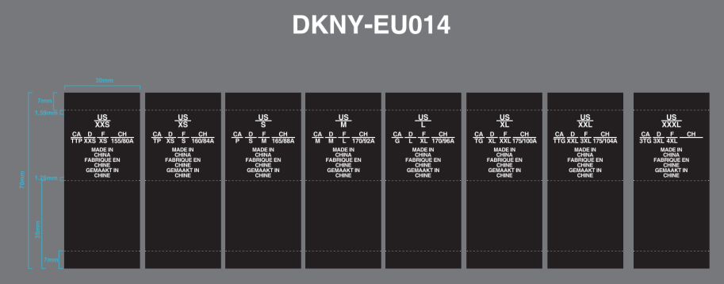
DKNY-EU017-R Black ground w/white letters | 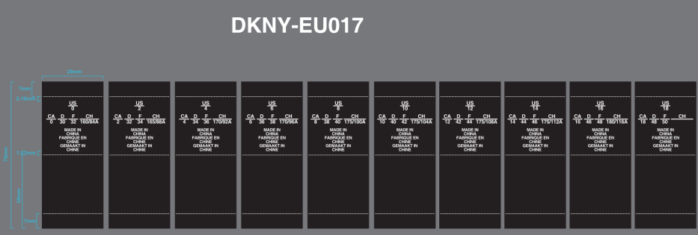
DKNY-EU014WVL-R Black ground w/white letters
DKNY-EU017WVL -R Black ground w/white letters

