Black SIZE LABEL ORDER FORM
FA24 DKNY LABEL ORDER FORM

客户款号 (CUSTOMER ID): |  |  |  |  |  |  |  | 收货信息 （SHIP TO):
下单日期 (ORDER DATE): |  |  |  |  |  |  |  | 公司名称(COMPANY):
PO 号 (PO#): |  |  |  |  |  |  |  | 地址(ADDRESS):
下单数量 (PLACED QTY): |  |  |  |  |  |  |  | 邮编(POSTAL CODE):
期望交期 (EXPECTED DELIVERY DATE): |  |  |  |  |  |  |  | 联系人(CONTACT):
产品编号 (REFERENCE NUMBER): |  |  |  |  |  |  |  | 联系电话(TELEPHONE):
下单明细 DETAILS
序号 ITEM | 产品编号 Reference Nunber | 款式 | 产品描述 | 图稿 Artwork | 产品尺寸 size (mm) | 颜色 COLOR | 季节 Season | 尺码 | 产地 | 订单数量 Order QTY
 |  | Style | DESCRIPTION |  |  |  |  | SIZE | COO
1 | DKNY-EU014-R | Top/dress/bodysuit/jackets/coats | ALPHABET SIZE/CO LABEL,PRINTED LETTERS (CORE LINE) | 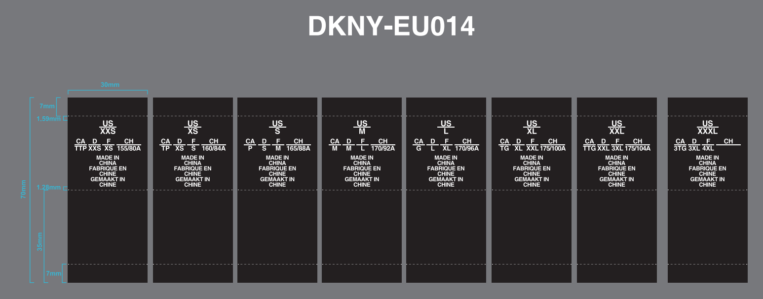 | 30*70MM | BLACK GROUND W/ WHITE LETTERS | FA24 | XXS | MADE IN CHINA | 30
 |  |  |  |  |  |  |  | XS | MADE IN CHINA | 210
 |  |  |  |  |  |  |  | S | MADE IN CHINA | 420
 |  |  |  |  |  |  |  | M | MADE IN CHINA | 320
 |  |  |  |  |  |  |  | L | MADE IN CHINA | 210
 |  |  |  |  |  |  |  | XL | MADE IN CHINA | 120
 |  |  |  |  |  |  |  | Size Pls choose | MADE IN CHINA
 |  |  |  |  |  |  |  | Size Pls choose | MADE IN CHINA
 |  |  |  |  |  |  |  | Size Pls choose | MADE IN CHINA
1 | DKNY-EU014-R | Bottom/Jumpsuit | ALPHABET SIZE/CO LABEL,PRINTED LETTERS (CORE LINE) |  | 30*70MM | BLACK GROUND W/ WHITE LETTERS | FA24 | XXS | MADE IN CHINA | 35
 |  |  |  |  |  |  |  | XS | MADE IN CHINA | 175
 |  |  |  |  |  |  |  | S | MADE IN CHINA | 300
 |  |  |  |  |  |  |  | M | MADE IN CHINA | 250
 |  |  |  |  |  |  |  | L | MADE IN CHINA | 180
 |  |  |  |  |  |  |  | XL | MADE IN CHINA | 100
 |  |  |  |  |  |  |  | Size Pls choose | MADE IN CHINA
 |  |  |  |  |  |  |  | Size Pls choose | MADE IN CHINA
 |  |  |  |  |  |  |  | Size Pls choose | MADE IN CHINA

2 | DKNY-EU017-R | Top/dress/bodysuit/jackets/coats | NUMERIC SIZE/CO LABEL,,PRINTED LETTERS (CORE LINE) | 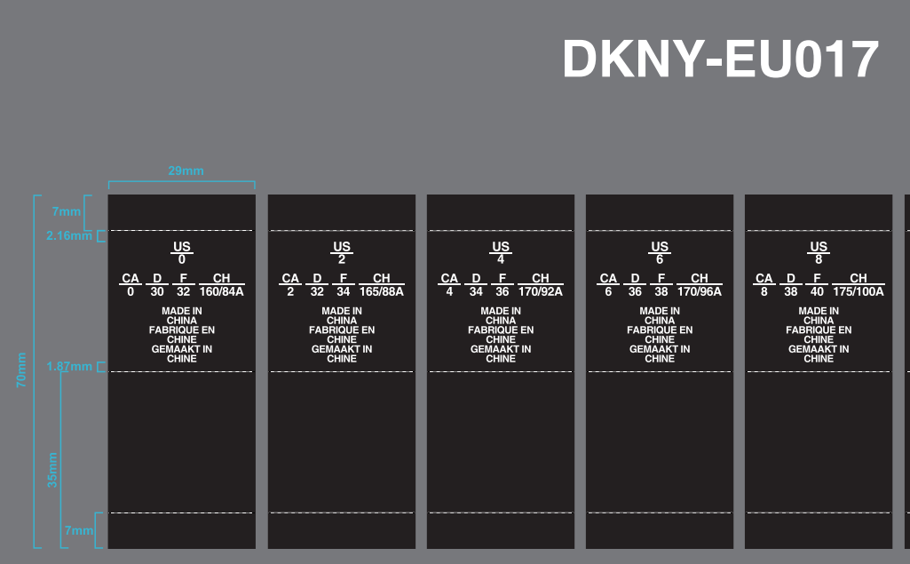 | 30*70MM | BLACK GROUND W/ WHITE LETTERS | FA24 | Size Pls choose | MADE IN CHINA
 |  |  |  |  |  |  |  | Size Pls choose | MADE IN CHINA
 |  |  |  |  |  |  |  | Size Pls choose | MADE IN CHINA
 |  |  |  |  |  |  |  | Size Pls choose | MADE IN CHINA
 |  |  |  |  |  |  |  | Size Pls choose | MADE IN CHINA
 |  |  |  |  |  |  |  | Size Pls choose | MADE IN CHINA
 |  |  |  |  |  |  |  | Size Pls choose | MADE IN CHINA
 |  |  |  |  |  |  |  | Size Pls choose | MADE IN CHINA
 |  |  |  |  |  |  |  | Size Pls choose | MADE IN CHINA
 |  |  |  |  |  |  |  | Size Pls choose | MADE IN CHINA
 |  |  |  |  |  |  |  | Size Pls choose | MADE IN CHINA
2 | DKNY-EU017-R | Bottom/Jumpsuit | NUMERIC SIZE/CO LABEL,,PRINTED LETTERS (CORE LINE) |  | 30*70MM | BLACK GROUND W/ WHITE LETTERS | FA24 | Size Pls choose | MADE IN CHINA
 |  |  |  |  |  |  |  | Size Pls choose | MADE IN CHINA
 |  |  |  |  |  |  |  | Size Pls choose | MADE IN CHINA
 |  |  |  |  |  |  |  | Size Pls choose | MADE IN CHINA
 |  |  |  |  |  |  |  | Size Pls choose | MADE IN CHINA
 |  |  |  |  |  |  |  | Size Pls choose | MADE IN CHINA
 |  |  |  |  |  |  |  | Size Pls choose | MADE IN CHINA
 |  |  |  |  |  |  |  | Size Pls choose | MADE IN CHINA
 |  |  |  |  |  |  |  | Size Pls choose | MADE IN CHINA
 |  |  |  |  |  |  |  | Size Pls choose | MADE IN CHINA
 |  |  |  |  |  |  |  | Size Pls choose | MADE IN CHINA

3 | DKNY-EU014WVL-R | Top/dress/bodysuit/jackets/coats | ALPHABET SIZE/CO LABEL,WOVEN LETTERS (CORE LINE) |  | 30*70MM | BLACK GROUND W/ WHITE LETTERS | FA24 | Size Pls choose | MADE IN CHINA
 |  |  |  |  |  |  |  | Size Pls choose | MADE IN CHINA
 |  |  |  |  |  |  |  | Size Pls choose | MADE IN CHINA
 |  |  |  |  |  |  |  | Size Pls choose | MADE IN CHINA
 |  |  |  |  |  |  |  | Size Pls choose | MADE IN CHINA
 |  |  |  |  |  |  |  | Size Pls choose | MADE IN CHINA
 |  |  |  |  |  |  |  | Size Pls choose | MADE IN CHINA
 |  |  |  |  |  |  |  | Size Pls choose | MADE IN CHINA
 |  |  |  |  |  |  |  | Size Pls choose | MADE IN CHINA
3 | DKNY-EU014WVL-R | Bottom/Jumpsuit | ALPHABET SIZE/CO LABEL,WOVEN LETTERS (CORE LINE) |  | 30*70MM | BLACK GROUND W/ WHITE LETTERS | FA24 | Size Pls choose | MADE IN CHINA
 |  |  |  |  |  |  |  | Size Pls choose | MADE IN CHINA
 |  |  |  |  |  |  |  | Size Pls choose | MADE IN CHINA
 |  |  |  |  |  |  |  | Size Pls choose | MADE IN CHINA
 |  |  |  |  |  |  |  | Size Pls choose | MADE IN CHINA
 |  |  |  |  |  |  |  | Size Pls choose | MADE IN CHINA
 |  |  |  |  |  |  |  | Size Pls choose | MADE IN CHINA
 |  |  |  |  |  |  |  | Size Pls choose | MADE IN CHINA
 |  |  |  |  |  |  |  | Size Pls choose | MADE IN CHINA

4 | DKNY-EU017WVL-R | Top/dress/bodysuit/jackets/coats | NUMERIC SIZE/CO LABEL,WOVEN LETTERS (CORE LINE) |  | 30*70MM | BLACK GROUND W/ WHITE LETTERS | FA24 | Size Pls choose | MADE IN CHINA
 |  |  |  |  |  |  |  | Size Pls choose | MADE IN CHINA
 |  |  |  |  |  |  |  | Size Pls choose | MADE IN CHINA
 |  |  |  |  |  |  |  | Size Pls choose | MADE IN CHINA
 |  |  |  |  |  |  |  | Size Pls choose | MADE IN CHINA
 |  |  |  |  |  |  |  | Size Pls choose | MADE IN CHINA
 |  |  |  |  |  |  |  | Size Pls choose | MADE IN CHINA
 |  |  |  |  |  |  |  | Size Pls choose | MADE IN CHINA
 |  |  |  |  |  |  |  | Size Pls choose | MADE IN CHINA
 |  |  |  |  |  |  |  | Size Pls choose | MADE IN CHINA
 |  |  |  |  |  |  |  | Size Pls choose | MADE IN CHINA
4 | DKNY-EU017WVL-R | Bottom/Jumpsuit | NUMERIC SIZE/CO LABEL,WOVEN LETTERS (CORE LINE) |  | 30*70MM | BLACK GROUND W/ WHITE LETTERS | FA24 | Size Pls choose | MADE IN CHINA
 |  |  |  |  |  |  |  | Size Pls choose | MADE IN CHINA
 |  |  |  |  |  |  |  | Size Pls choose | MADE IN CHINA
 |  |  |  |  |  |  |  | Size Pls choose | MADE IN CHINA
 |  |  |  |  |  |  |  | Size Pls choose | MADE IN CHINA
 |  |  |  |  |  |  |  | Size Pls choose | MADE IN CHINA
 |  |  |  |  |  |  |  | Size Pls choose | MADE IN CHINA
 |  |  |  |  |  |  |  | Size Pls choose | MADE IN CHINA
 |  |  |  |  |  |  |  | Size Pls choose | MADE IN CHINA
 |  |  |  |  |  |  |  | Size Pls choose | MADE IN CHINA
 |  |  |  |  |  |  |  | Size Pls choose | MADE IN CHINA

备注 REMARK:

LAYOUT
Customer item code | Artwork
DKNY-EU098
DKNY-EU0101
DKNY-EU0095
DKNY-EU014-R Black ground w/white letters
DKNY-EU017-R Black ground w/white letters | 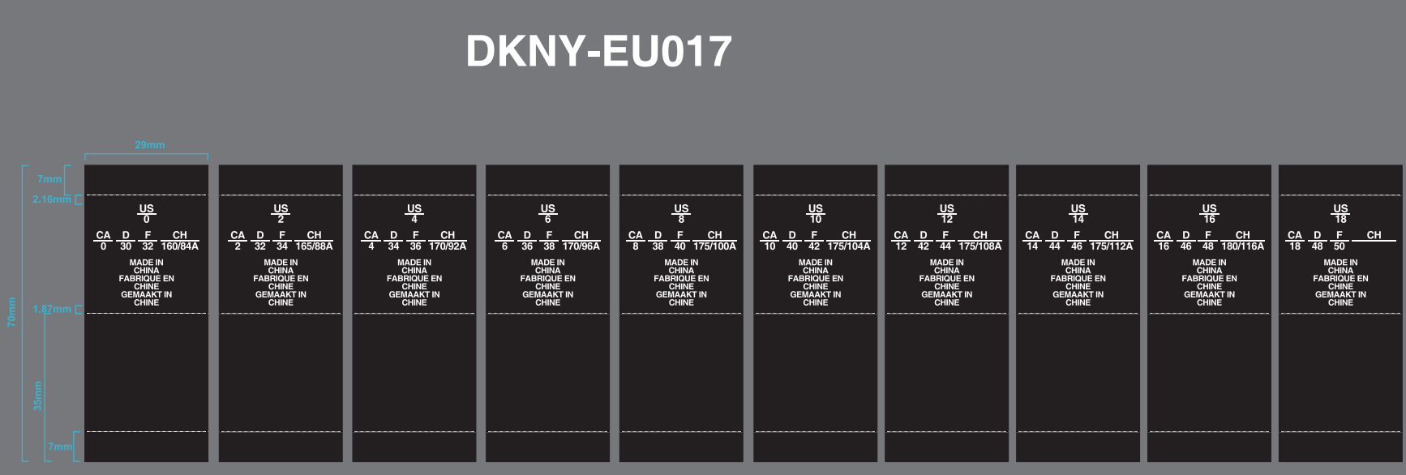
DKNY-EU014WVL-R Black ground w/white letters
DKNY-EU017WVL -R Black ground w/white letters

