方形挂牌 (2)
生产单号 | 客户款号 | 客户 | 品名描述 | 颜色名称 | 衣服颜色 | 颜色代码 | 颜色 | 单价 | 尺码 | UPC#条形码 | 方形挂牌订量
1240013 | RLF0227 | ROSS | 2PK SEAMLESS LIGHTLY LINED WIREFREE RIB & HERRINGBONE TEXTURED BRA | DEEP TEAL/HEATHER GREY | DEEPTEAL/HTHRGY | 769 | 深绿/ 麻灰 | $60.00 | 34A | 198271122702 | 930
 |  | ROSS |  |  |  |  |  | $60.00 | 34B | 198271122719 | 1850
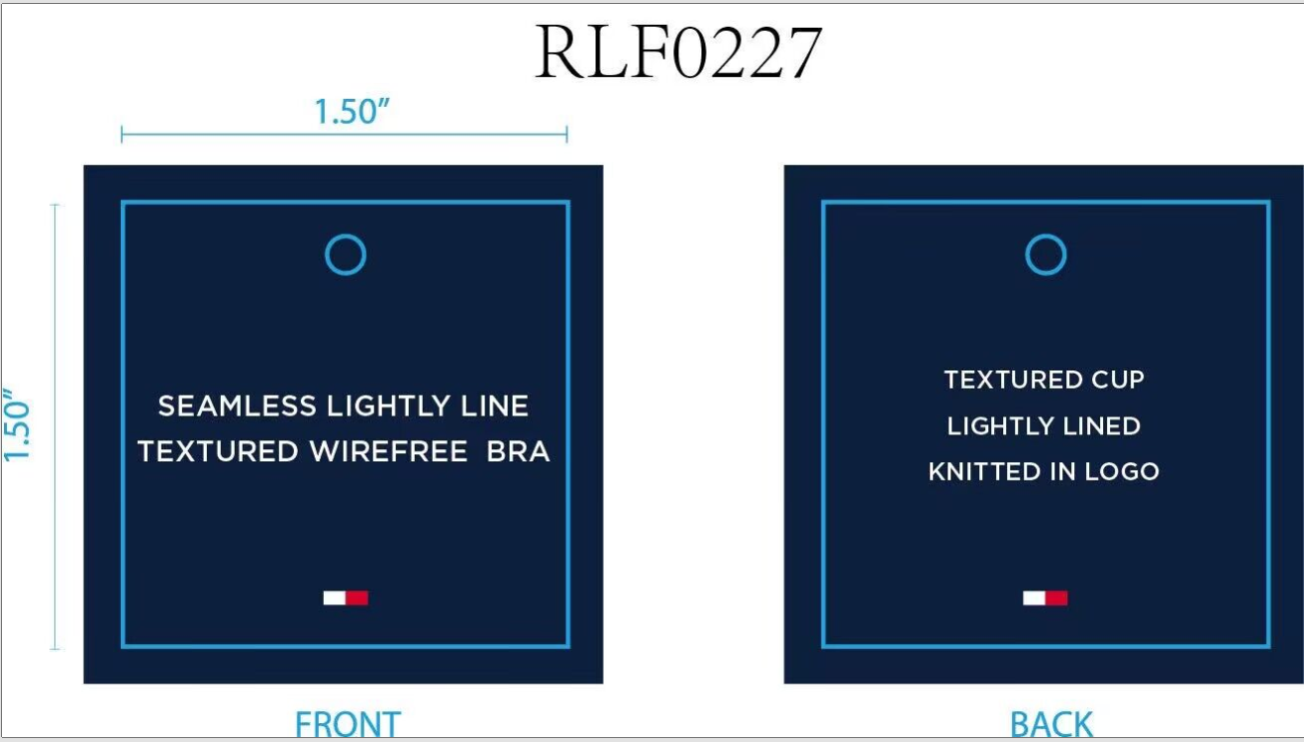
 |  | ROSS |  |  |  |  |  | $60.00 | 34C | 198271122726 | 930
 |  | ROSS |  |  |  |  |  | $60.00 | 36B | 198271122733 | 930
 |  | ROSS |  |  |  |  |  | $60.00 | 36C | 198271122740 | 930
1240013 | RLF0227 | ROSS | 2PK SEAMLESS LIGHTLY LINED WIREFREE RIB & HERRINGBONE TEXTURED BRA | WINDSOR WINE/BLACK | WINDWINE/BLACK | 782 | 深酒红/ 黑色 | $60.00 | 34A | 198271122757 | 930
 |  | ROSS |  |  |  |  |  | $60.00 | 34B | 198271122764 | 1850
 |  | ROSS |  |  |  |  |  | $60.00 | 34C | 198271122771 | 930
 |  | ROSS |  |  |  |  |  | $60.00 | 36B | 198271122788 | 930
 |  | ROSS |  |  |  |  |  | $60.00 | 36C | 198271122795 | 930
1240014 | RLF0227 | WINNERS | 2PK SEAMLESS LIGHTLY LINED WIREFREE RIB & HERRINGBONE TEXTURED BRA | DEEP TEAL/HEATHER GREY | DEEPTEAL/HTHRGY | 769 | 深绿/ 麻灰 | $60.00 | 34A | 198271122702 | 190
 |  | WINNERS |  |  |  |  |  | $60.00 | 34B | 198271122719 | 350
 |  | WINNERS |  |  |  |  |  | $60.00 | 34C | 198271122726 | 190
 |  | WINNERS |  |  |  |  |  | $60.00 | 36B | 198271122733 | 190
 |  | WINNERS |  |  |  |  |  | $60.00 | 36C | 198271122740 | 190
1240014 | RLF0227 | WINNERS | 2PK SEAMLESS LIGHTLY LINED WIREFREE RIB & HERRINGBONE TEXTURED BRA | WINDSOR WINE/BLACK | WINDWINE/BLACK | 782 | 深酒红/ 黑色 | $60.00 | 34A | 198271122757 | 190
 |  | WINNERS |  |  |  |  |  | $60.00 | 34B | 198271122764 | 350
 |  | WINNERS |  |  |  |  |  | $60.00 | 34C | 198271122771 | 190
 |  | WINNERS |  |  |  |  |  | $60.00 | 36B | 198271122788 | 190
 |  | WINNERS |  |  |  |  |  | $60.00 | 36C | 198271122795 | 190
 |  |  |  |  |  |  |  |  |  | 合计： | 13360

