平包RU
 |  |  |  |  | 订购数量
PO:102490 | FAWWD00419SM24 | 190917740721 | XS | JELLYBEAN GREEN | 35
PO:102490 | FAWWD00419SM24 | 190917740738 | S | JELLYBEAN GREEN | 46 |  | 3.8*6.35
PO:102490 | FAWWD00419SM24 | 190917740745 | M | JELLYBEAN GREEN | 50
PO:102490 | FAWWD00419SM24 | 190917740752 | L | JELLYBEAN GREEN | 45 | 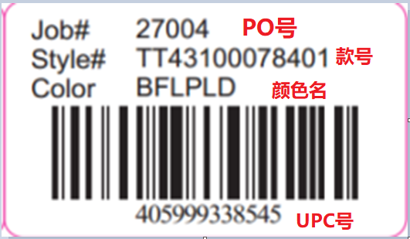
PO:102490 | FAWWD00419SM24 | 190917740769 | XL | JELLYBEAN GREEN | 20
PO:102490 | FAWWD00419SM24 | 190917740776 | XXL | JELLYBEAN GREEN | 15

平包GTIN
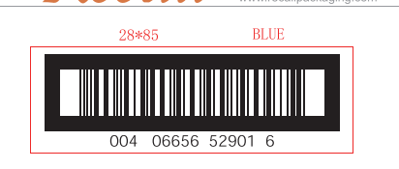
PO:102490 |  |  |  | 对应的号型 |  | 订购数量
 | FAWWD00419SM24 | 190917740721 | XS | 50190917740726 | JELLYBEAN GREEN | 35 | 50+UPC 生成最后一位
 | FAWWD00419SM24 | 190917740738 | S | 50190917740733 | JELLYBEAN GREEN | 46
 | FAWWD00419SM24 | 190917740745 | M | 50190917740740 | JELLYBEAN GREEN | 50
 | FAWWD00419SM24 | 190917740752 | L | 50190917740757 | JELLYBEAN GREEN | 45
 | FAWWD00419SM24 | 190917740769 | XL | 50190917740764 | JELLYBEAN GREEN | 20
 | FAWWD00419SM24 | 190917740776 | XXL | 50190917740771 | JELLYBEAN GREEN | 15
 |  |  |  |  |  | 211

