Black SIZE LABEL ORDER FORM
FA24 DKNY LABEL ORDER FORM

客户款号 (CUSTOMER ID): |  |  | D2G4A170,D2G4A027,D2G4A169 |  |  |  |  | 收货信息 （SHIP TO):
下单日期 (ORDER DATE): |  |  | 2024.3.12 |  |  |  |  | 公司名称(COMPANY): | 杭州保利纺织品进出口有限公司
PO 号 (PO#): |  |  |  |  |  |  |  | 地址(ADDRESS): | 浙江省杭州市上城区四季青街道丹桂街19号迪凯国际中心32楼
下单数量 (PLACED QTY): |  |  |  |  |  |  |  | 邮编(POSTAL CODE): | 310016
期望交期 (EXPECTED DELIVERY DATE): |  |  |  |  |  |  |  | 联系人(CONTACT): | 蒋雪莹
产品编号 (REFERENCE NUMBER): |  |  |  |  |  |  |  | 联系电话(TELEPHONE): | 18357168584.00
下单明细 DETAILS
序号 ITEM | 产品编号 Reference Nunber | 款式 | 产品描述 | 图稿 Artwork | 产品尺寸 size (mm) | 颜色 COLOR | 季节 Season | 尺码 | 产地 | 订单数量 Order QTY | 单价-出厂价/片 | 单价-含税不含运 | 不含税金额 Amount | 含税不含运 金额 Amount
 |  | Style | DESCRIPTION |  |  |  |  | SIZE | COO |  | USD Price-Exw/Pcs | RMB Price-Tax included does not include freigh/PCS
1 | DKNY-EU014-R | Top/dress/bodysuit/jackets/coats | ALPHABET SIZE/CO LABEL,PRINTED LETTERS (CORE LINE) | 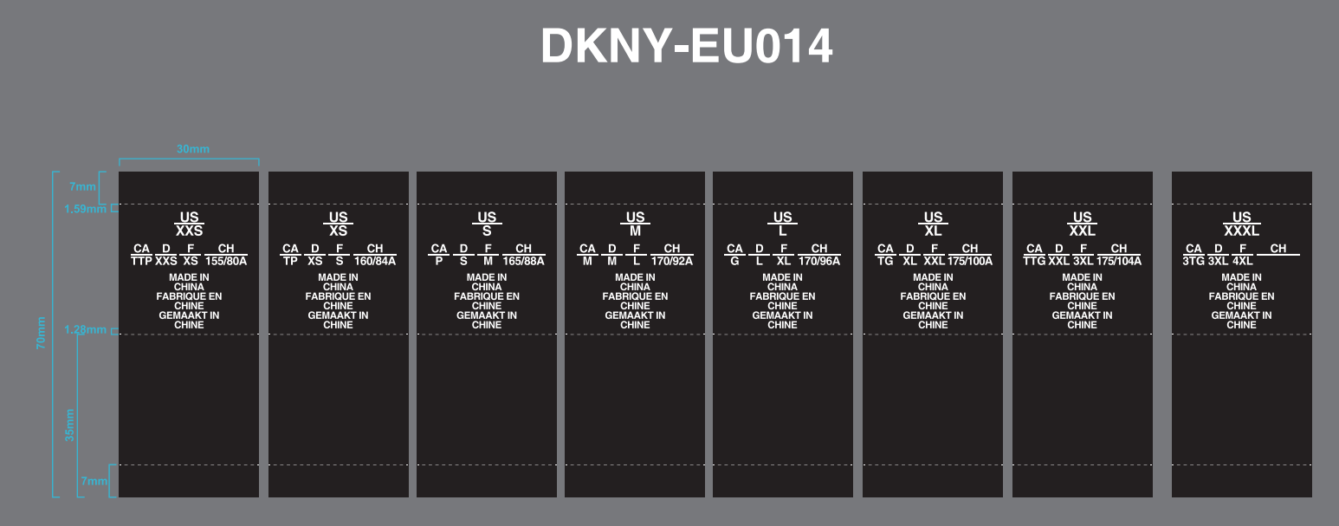 | 30*70MM | BLACK GROUND W/ WHITE LETTERS | FA24 | XXS | MADE IN CHINA | 10
 |  |  |  |  |  |  |  | XS | MADE IN CHINA | 356
 |  |  |  |  |  |  |  | S | MADE IN CHINA | 584
 |  |  |  |  |  |  |  | M | MADE IN CHINA | 545
 |  |  |  |  |  |  |  | L | MADE IN CHINA | 349
 |  |  |  |  |  |  |  | XL | MADE IN CHINA | 192

 |  |  |  |  |  |  |  |  |  |  | GRAND TOTAL: | 0.000 |  | 0
备注 REMARK:

LAYOUT
Customer item code | Artwork
DKNY-EU098
DKNY-EU0101
DKNY-EU0095
DKNY-EU014-R Black ground w/white letters
DKNY-EU017-R Black ground w/white letters | 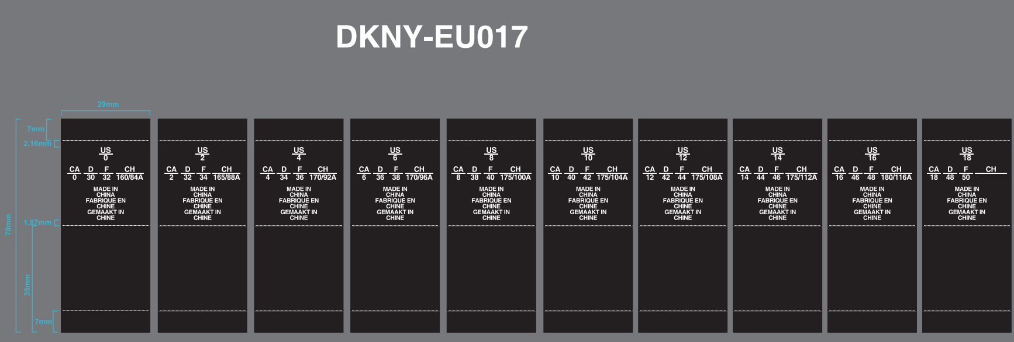
DKNY-EU014WVL-R Black ground w/white letters
DKNY-EU017WVL -R Black ground w/white letters

