LAYOUT
Customer item code | Artwork
DKNY-EU098/099
DKNY-EU0100 | 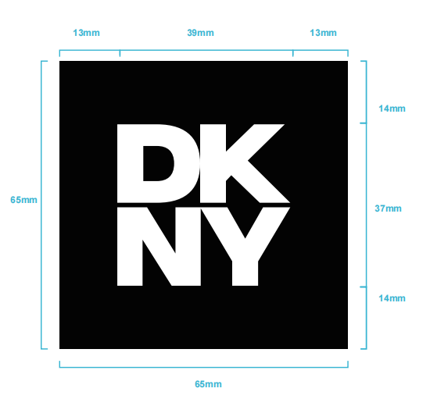
DKNY-EU0101
DKNY-EU0095
DKNY-EU0110 | 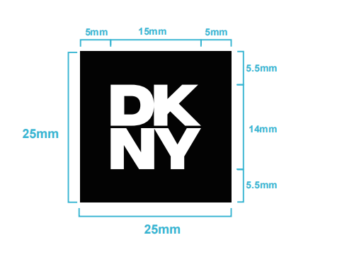
DKNY-EU014-R Black ground w/white letters | 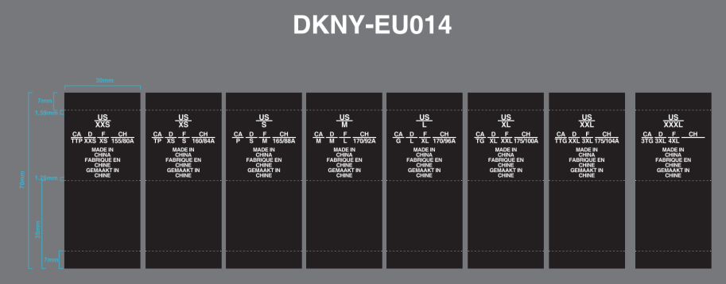
DKNY-EU017-R Black ground w/white letters | 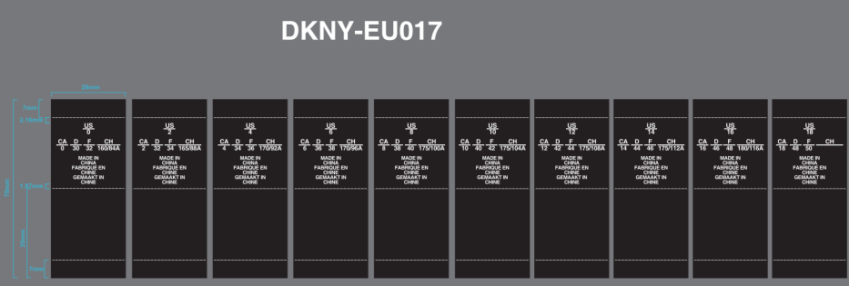
DKNY-EU014WVL-R Black ground w/white letters
DKNY-EU017WVL -R Black ground w/white letters

