Black SIZE LABEL ORDER FORM
FA24 DKNY LABEL ORDER FORM

客户款号 (CUSTOMER ID): |  |  |  |  |  |  |  | 收货信息 （SHIP TO):
下单日期 (ORDER DATE): |  |  |  |  |  |  |  | 公司名称(COMPANY):
PO 号 (PO#): |  |  |  |  |  |  |  | 地址(ADDRESS):
下单数量 (PLACED QTY): |  |  |  |  |  |  |  | 邮编(POSTAL CODE):
期望交期 (EXPECTED DELIVERY DATE): |  |  |  |  |  |  |  | 联系人(CONTACT):
产品编号 (REFERENCE NUMBER): |  |  |  |  |  |  |  | 联系电话(TELEPHONE):
下单明细 DETAILS
序号 ITEM | 产品编号 Reference Nunber | 款式 | 产品描述 | 图稿 Artwork | 产品尺寸 size (mm) | 颜色 COLOR | 季节 Season | 尺码 | 产地 | 订单数量 Order QTY | 单价-出厂价/片 | 单价-含税不含运 | 不含税金额 Amount | 含税不含运 金额 Amount
 |  | Style | DESCRIPTION |  |  |  |  | SIZE | COO |  | USD Price-Exw/Pcs | RMB Price-Tax included does not include freigh/PCS
3406款 | DKNY-EU017-R | Bottom/Jumpsuit | NUMERIC SIZE/CO LABEL,,PRINTED LETTERS (CORE LINE) | 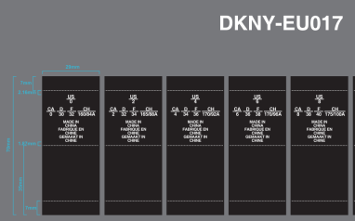 | 30*70MM | BLACK GROUND W/ WHITE LETTERS | FA24 | 00 | MADE IN CHINA | 5
 |  |  |  |  |  |  |  | 0 | MADE IN CHINA | 10
 |  |  |  |  |  |  |  | 2 | MADE IN CHINA | 60
 |  |  |  |  |  |  |  | 4 | MADE IN CHINA | 80
 |  |  |  |  |  |  |  | 6 | MADE IN CHINA | 75
 |  |  |  |  |  |  |  | 8 | MADE IN CHINA | 70
 |  |  |  |  |  |  |  | 10 | MADE IN CHINA | 58
 |  |  |  |  |  |  |  | 12 | MADE IN CHINA | 40
 |  |  |  |  |  |  |  | 14 | MADE IN CHINA | 32
 |  |  |  |  |  |  |  | 16 | MADE IN CHINA | 5
 |  |  |  |  |  |  |  | Size Pls choose | MADE IN CHINA

3017款 | DKNY-EU017-R | Bottom/Jumpsuit | NUMERIC SIZE/CO LABEL,,PRINTED LETTERS (CORE LINE) |  | 30*70MM | BLACK GROUND W/ WHITE LETTERS | FA24 | 00 | MADE IN CHINA | 10
 |  |  |  |  |  |  |  | 0 | MADE IN CHINA | 17
 |  |  |  |  |  |  |  | 2 | MADE IN CHINA | 60
 |  |  |  |  |  |  |  | 4 | MADE IN CHINA | 96
 |  |  |  |  |  |  |  | 6 | MADE IN CHINA | 110
 |  |  |  |  |  |  |  | 8 | MADE IN CHINA | 103
 |  |  |  |  |  |  |  | 10 | MADE IN CHINA | 68
 |  |  |  |  |  |  |  | 12 | MADE IN CHINA | 43
 |  |  |  |  |  |  |  | 14 | MADE IN CHINA | 30
 |  |  |  |  |  |  |  | 16 | MADE IN CHINA | 5
 |  |  |  |  |  |  |  | Size Pls choose | MADE IN CHINA

3228款 | DKNY-EU017-R | Bottom/Jumpsuit | NUMERIC SIZE/CO LABEL,,PRINTED LETTERS (CORE LINE) |  | 30*70MM | BLACK GROUND W/ WHITE LETTERS | FA24 | 00 | MADE IN CHINA | 4
 |  |  |  |  |  |  |  | 0 | MADE IN CHINA | 15
 |  |  |  |  |  |  |  | 2 | MADE IN CHINA | 85
 |  |  |  |  |  |  |  | 4 | MADE IN CHINA | 130
 |  |  |  |  |  |  |  | 6 | MADE IN CHINA | 140
 |  |  |  |  |  |  |  | 8 | MADE IN CHINA | 120
 |  |  |  |  |  |  |  | 10 | MADE IN CHINA | 96
 |  |  |  |  |  |  |  | 12 | MADE IN CHINA | 62
 |  |  |  |  |  |  |  | 14 | MADE IN CHINA | 53
 |  |  |  |  |  |  |  | Size Pls choose | MADE IN CHINA
 |  |  |  |  |  |  |  | Size Pls choose | MADE IN CHINA

3229款 | DKNY-EU017-R | Bottom/Jumpsuit | NUMERIC SIZE/CO LABEL,,PRINTED LETTERS (CORE LINE) |  | 30*70MM | BLACK GROUND W/ WHITE LETTERS | FA24 | 00 | MADE IN CHINA | 3
 |  |  |  |  |  |  |  | 0 | MADE IN CHINA | 12
 |  |  |  |  |  |  |  | 2 | MADE IN CHINA | 85
 |  |  |  |  |  |  |  | 4 | MADE IN CHINA | 140
 |  |  |  |  |  |  |  | 6 | MADE IN CHINA | 115
 |  |  |  |  |  |  |  | 8 | MADE IN CHINA | 55
 |  |  |  |  |  |  |  | 10 | MADE IN CHINA | 48
 |  |  |  |  |  |  |  | 12 | MADE IN CHINA | 32
 |  |  |  |  |  |  |  | 14 | MADE IN CHINA | 28
 |  |  |  |  |  |  |  | Size Pls choose | MADE IN CHINA
 |  |  |  |  |  |  |  | Size Pls choose | MADE IN CHINA
备注 REMARK:

LAYOUT
Customer item code | Artwork
DKNY-EU098/099
DKNY-EU0100 | 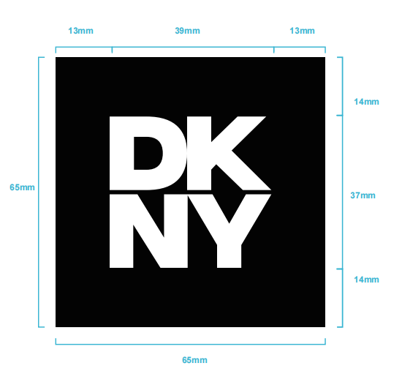
DKNY-EU0101
DKNY-EU0095
DKNY-EU0110 | 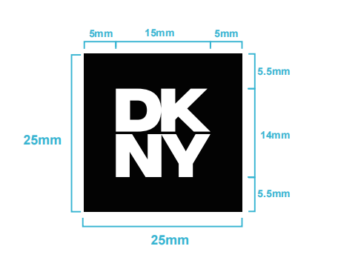
DKNY-EU014-R Black ground w/white letters | 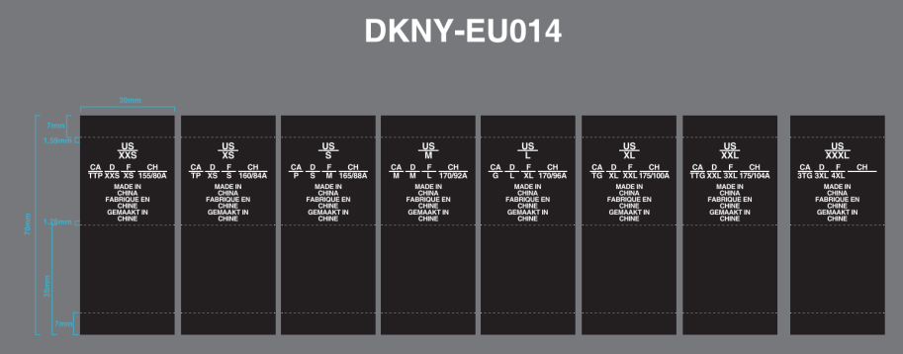
DKNY-EU017-R Black ground w/white letters | 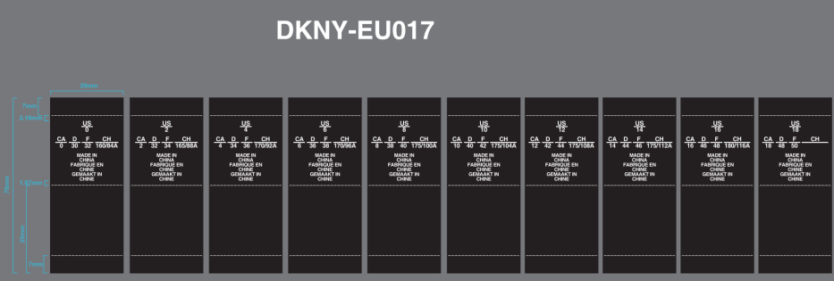
DKNY-EU014WVL-R Black ground w/white letters
DKNY-EU017WVL -R Black ground w/white letters

