Sheet1
合同 | 纸卡尺寸
 | T1 | T1 | T2 | T2 | T3
 | 3/4 | 5/6 | 7/8 | 9/10 | 11/12
F0015 | 7520 | 25546 | 17034
F0016 | 858 | 2366 | 1812
F0014 | 5400 | 18364 | 12242
F0048 | 410 | 1138 | 872
F0002 |  |  | 8746 | 17870 | 11406
F0003 |  |  | 692 | 1298 | 1026 |  |  | 2024-3-27
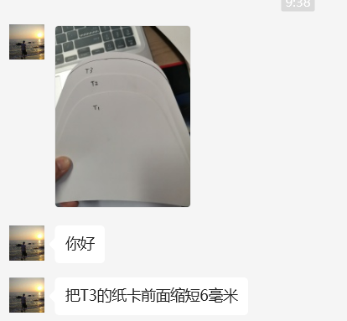
F0028 |  |  | 9668 | 19758 | 12844
F0004 |  |  | 2314 | 4730 | 3134
F0005 |  |  | 554 | 1034 | 818
合计 | 14188 | 47414 | 53934 | 44690 | 29228 | 189454 | 片

