TAB 1791
TIMELINE EGYPT
AMRIA PUBLIC FREE ZONE
ALEXANDRIA
EGYPT
PURCHASE ORDER
SUPPLIER : - |  |  |  |  | 2024-03-26
CHINA
DELIVERY : -
TIMELINE EGYPT
AMRIA PUBLIC FREE ZONE
ALEXANDRIA

STYLE NO. # 15512/15515
PO : TL-PO132-24
TRIMS | PICURE | QUALITY | SIZE | TOTAL PO QTY
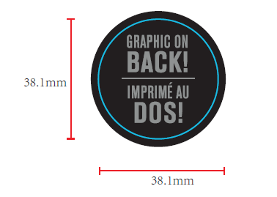
TAB -1969 |  | AS PER APPROVED SAMPLE | AS PER APPROVED SAMPLE AND LAYOUT | 10230

 |  |  | 25 PCS PP SAMPLES

PREPARED BY / YATIN

