PACKAGING INFO
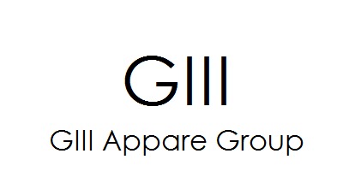 DKNY HONY PACKAGING PRICE LIST
QUOTED DATE | VENDOR | ITEM | IMAGE | SIZE (inch) | COLOR | PRICE
 |  |  |  |  |  | UNIT (PCS) | EX-WORK USD PRICE (PER PCS) | EXW CHINA RMB PRICE (PER PCS) | MOQ
2023-10-24 | RECALL | PAPER BAG/TISSUE |  | 20"*30" | 1 | PCS

2023-10-24 | RECALL | DKNY PAPER BAG | 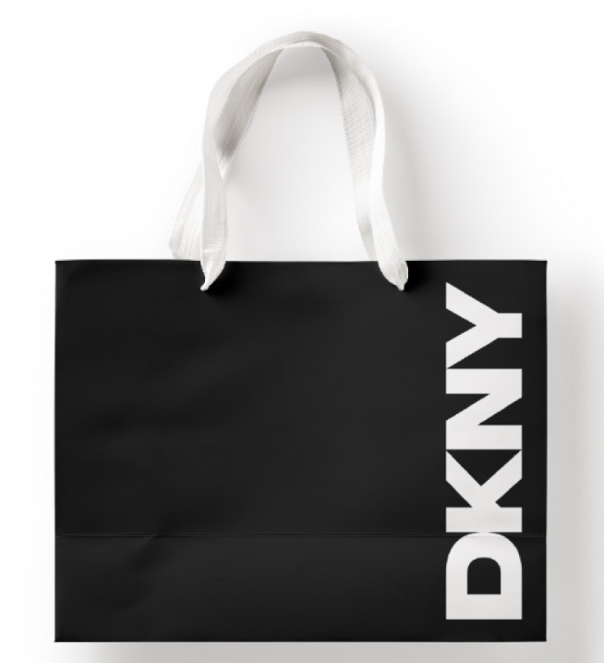 | 10*4*9.5*4+2.5 (Inch) BABY SHOPPER | 2 | PCS

 |  |  |  | 16*16*12*6+2.5 (Inch) VOGUE SHOPPER | 2 | PCS

 |  |  |  | 27*7.5*17*7.5+2.5 (Inch) JUMBO SHOPPER | 2 | PCS

2023-10-24 | RECALL | DKNY BOX | 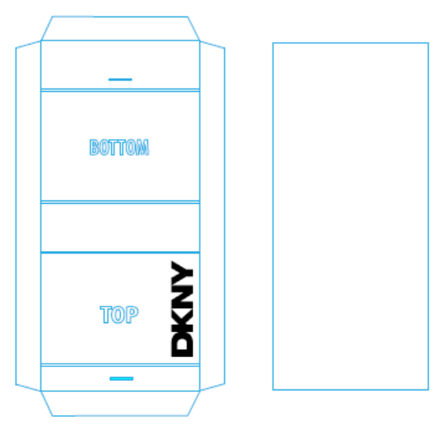 | 18*12.38*5.25CM SMALL BOX | 2 | PCS

 |  |  |  | 25.8*15*7.3CM MEDIUM BOX | 2 | PCS

 |  |  |  | 38*35.5*13.35CM LARGE BOX | 2 | PCS

 |  |  |  | 45*35*13CM EXTRA LARGE BOX | 2 | PCS

2023-10-24 | RECALL | DKNY STICKER BLACK |  | 2 INCH | 1 | PCS

