Sheet1
Purchase orders
Purchaser： | 江苏众润纺织科技有限公司 |  |  | Supplier：Relay packaging group
Address: |  |  |  | Address:2nd Floor, No.1199 Jindu Road, Minhang District, Shanghai
contacts： | Jane |  |  | contacts： Alice 13764005563

Style No. | Po# | Trim Code | Reference Picture | Size(such as xs-3xl) | Qty | Unit price(＄) | Amount
A6660AX | 1349877-890 | 17 HSLBW01811 |  | XS | 380 |  | 0.00
 |  |  |  | S | 880 |  | 0.00
 |  |  |  | M | 880 |  | 0.00
 |  |  |  | L | 730 |  | 0.00
 |  |  |  | XL | 260 |  | 0.00
 |  |  |  | XXL | 80 |  | 0.00
A6660AX | 1349877-890 | 21 AULTH09845 | 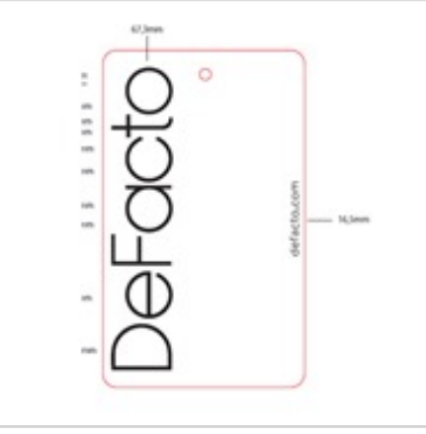 | XS-XXL | 3348
A6660AX | 条码标 |  |  | XS-XXL | 3348

