方形挂牌 (2)
生产单号 | 款号 | 品名描述 | 颜色名称 | 颜色名称 | 颜色代码 | 衣服颜色 | 单价 | 尺码 | UPC#条形码 | 方形挂牌订量
1240221 | RLF0227 | 2PK SEAMLESS LIGHTLTY LINED WIREFREE RIB & HERRINGBONE TEXTURED BRA | BLUSHING BRIDE/HEATHER GREY | BLUSHBRIDE/HG | 823 | 桃粉 麻灰 | $60.00 | 34A | 198271357289 | 1050
 |  |  |  |  |  |  |  | 34B | 198271357296 | 2070
 |  |  |  |  |  |  |  | 34C | 198271357302 | 1050
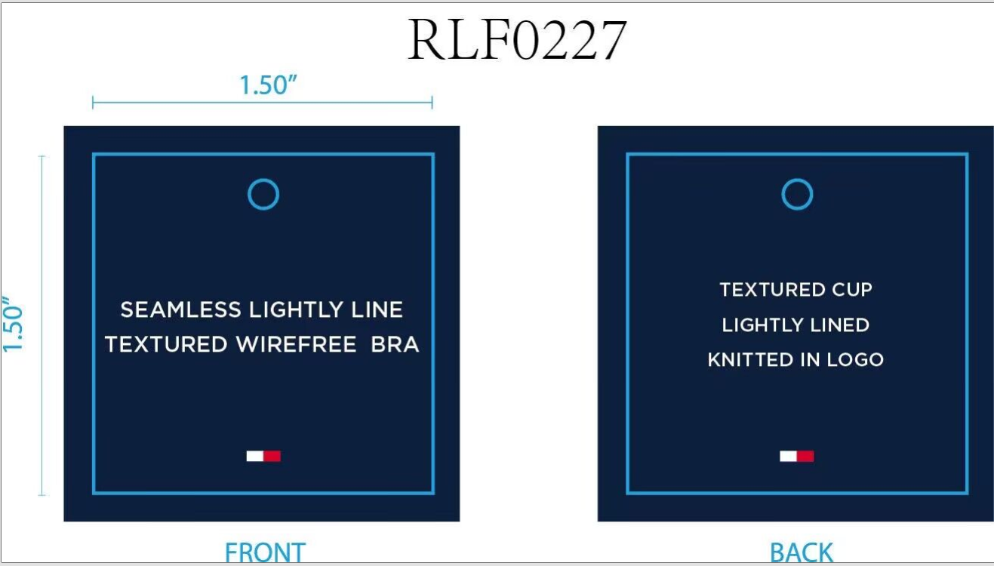
 |  |  |  |  |  |  |  | 36B | 198271357333 | 1050
 |  |  |  |  |  |  |  | 36C | 198271357340 | 1050
1240268 |  | 2PK SEAMLESS LIGHTLTY LINED WIREFREE RIB & HERRINGBONE TEXTURED BRA | BLUSHING BRIDE/HEATHER GREY | BLUSHBRIDE/HG | 823 | 桃粉 麻灰 | $60.00 | 34A | 198271357289 | 310
 |  |  |  |  |  |  |  | 34B | 198271357296 | 590
 |  |  |  |  |  |  |  | 34C | 198271357302 | 310
 |  |  |  |  |  |  |  | 36B | 198271357333 | 310
 |  |  |  |  |  |  |  | 36C | 198271357340 | 310
1240269 |  |  | BLUSHING BRIDE/HEATHER GREY | BLUSHBRIDE/HG | 823 | 桃粉 麻灰 | $60.00 | 34A | 198271357289 | 280
 |  |  |  |  |  |  |  | 34B | 198271357296 | 530
 |  |  |  |  |  |  |  | 34C | 198271357302 | 280
 |  |  |  |  |  |  |  | 36B | 198271357333 | 280
 |  |  |  |  |  |  |  | 36C | 198271357340 | 280
 |  |  |  |  |  |  |  |  | 合计： | 9750

