Sheet1
ADV# | PNO# | Style | combo | qty | 数量 | 数量
V107071 | 1GCE002397-01 | 06LXC38622 | BLACK | 9000 | 10080 | 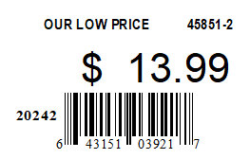
V107072 | 1GCE002398-01 | 06LXC38622 | BLACK | 1080
V107071 | 1GCE002397-01 | 06LXC38622 | FA24 IVORY | 15520 | 18600 | 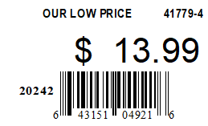
V107072 | 1GCE002398-01 | 06LXC38622 | FA24 IVORY | 3080
V107071 | 1GCE002397-01 | 06LXC047692 | TAUPE | 5720 | 6480 | 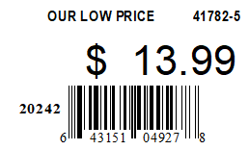
V107072 | 1GCE002398-01 | 06LXC047692 | TAUPE | 760
V107071 | 1GCE002397-01 | 06LXC047682 | EGRET | 6920 | 7560 | 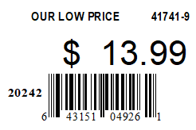
V107072 | 1GCE002398-01 | 06LXC047682 | EGRET | 640

