明细
Purchase orders
Purchaser： | 江苏众润纺织科技有限公司 |  |  | Supplier：Relay packaging group
Address: |  |  |  | Address:2nd Floor, No.1199 Jindu Road, Minhang District, Shanghai
contacts： | Nancy |  |  | contacts： Alice 13764005563

Style No. | Po# | Trim Code | Reference Picture | Size(such as xs-3xl) | Qty | Unit price(＄) | Amount | 备注
D1182AX | 1388659-1388674 | 21 AULBM10015 | 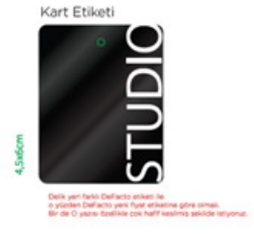 | S-XXL | 1586
D1182AX | 1388659-1388666/1388668-1388670/1388674 | 21 AULTH09845 | 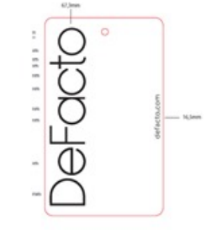 | S | 161 |  |  | 有价格的价格牌
 |  |  |  | M | 309
 |  |  |  | L | 309
 |  |  |  | XL | 303
 |  |  |  | XXL | 155
D1182AX | 1388671 | 21 AULTH09845 |  | S | 43 |  |  | ecom港口背面无价格的吊牌
 |  |  |  | M | 66
 |  |  |  | L | 66
 |  |  |  | XL | 33
 |  |  |  | XXL | 10
D1182AX | 1388659-1388674 | 22 AULBM10902 | 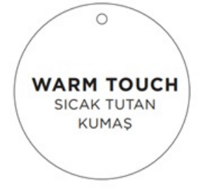 | S-XXL | 1586

