Sheet1 (2)
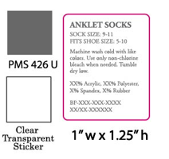
数量： | 1700
 | Machine wash cold with like colors.Use only non-chlorine bleach when needed.Tumble dry low.
 | 98% Polyester 2% Spandex Exclusive of Decoration Exclusive of Elastic
 | 06LXC38622
 | 07/01-1GCE002446-01

