Sheet1 (2)
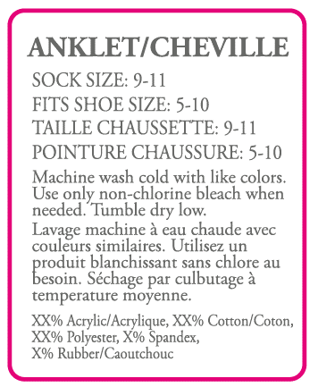
数量： | 400

 | 98% Polyester, 2% Spandex Exclusive of Decoration Exclusive of Elastic
 | 06LXC38622
 | 06/01-2SABG000078-01

Sheet1
ADV# | PNO# | Style | combo | qty | fiber content (estimate) | ex factory date | PKG
V107071 | 1GCE002397-01 | 06LXC38622 | BLACK | 9000 | 98% Polyester 2% Spandex Exclusive of Elastic | 2024-06-01 | BPSP0020
V107072 | 1GCE002398-01 | 06LXC38622 | BLACK | 1080 | 98% Polyester 2% Spandex Exclusive of Elastic | 2024-08-01 | BPSP0020
V107071 | 1GCE002397-01 | 06LXC38622 | FA24 IVORY | 15520 | 98% Polyester 2% Spandex Exclusive of Elastic | 2024-06-01 | BPSP0020
V107072 | 1GCE002398-01 | 06LXC38622 | FA24 IVORY | 3080 | 98% Polyester 2% Spandex Exclusive of Elastic | 2024-08-01 | BPSP0020
V107071 | 1GCE002397-01 | 06LXC047692 | TAUPE | 5720 | 96% Polyester 4% Spandex Exclusive of Elastic | 2024-06-01 | BPSP0020
V107072 | 1GCE002398-01 | 06LXC047692 | TAUPE | 760 | 96% Polyester 4% Spandex Exclusive of Elastic | 2024-08-01 | BPSP0020
V107071 | 1GCE002397-01 | 06LXC047682 | EGRET | 6920 | 96% Polyester 4% Spandex Exclusive of Elastic | 2024-06-01 | BPSP0020
V107072 | 1GCE002398-01 | 06LXC047682 | EGRET | 640 | 96% Polyester 4% Spandex Exclusive of Elastic | 2024-08-01 | BPSP0020 |  | 42720
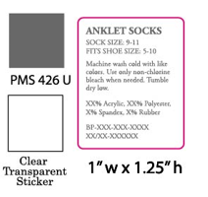
 |  |  |  |  | 数量： | 24520 |  | 4160 | 5720
 |  |  |  |  |  | Machine wash cold with like colors.Use only non-chlorine bleach when needed.Tumble dry low. |  | Machine wash cold with like colors.Use only non-chlorine bleach when needed.Tumble dry low. | Machine wash cold with like colors.Use only non-chlorine bleach when needed.Tumble dry low.
 |  |  |  |  |  | 98% Polyester 2% Spandex Exclusive of Decoration Exclusive of Elastic |  | 98% Polyester 2% Spandex Exclusive of Decoration Exclusive of Elastic | 96% Polyester 4% Spandex Exclusive of Decoration Exclusive of Elastic
 |  |  |  |  |  | 06LXC38622 |  | 06LXC38622 | 06LXC047692
 |  |  |  |  |  | 06/15-1GCE002397-01 |  | 08/01-1GCE002398-01 | 06/15-1GCE002397-01

 |  |  |  |  | 数量： | 760 |  | 6920 | 640
 |  |  |  |  |  | Machine wash cold with like colors.Use only non-chlorine bleach when needed.Tumble dry low. |  | Machine wash cold with like colors.Use only non-chlorine bleach when needed.Tumble dry low. | Machine wash cold with like colors.Use only non-chlorine bleach when needed.Tumble dry low.
 |  |  |  |  |  | 96% Polyester 4% Spandex Exclusive of Decoration Exclusive of Elastic |  | 98% Polyester 2% Spandex Exclusive of Decoration Exclusive of Elastic | 96% Polyester 4% Spandex Exclusive of Decoration Exclusive of Elastic
 |  |  |  |  |  | 06LXC047692 |  | 06LXC047682 | 06LXC047682
 |  |  |  |  |  | 08/01-1GCE002398-01 |  | 06/15-1GCE002397-01 | 08/01-1GCE002398-01

