summary
EXISTING BULK ORDER HAD THIS STYLE | FACTORY | CUSTOMER | ADV# | PNO | STYLE | Product Description | UNIT | COLOR NAME | COLOR # | COLOR NAME ON UPC sticker | Packaging trim ref# | Packaging trim ref# (cardboard) | Hangtag/sticker | Hook or other | Inner pack (Polybag) # of packs per big polybag) | Master Carton (# of packs per master carton) | UPC sticker (YES or NO) | UPC# |  | Retail Price | Price ticket (YES or NO) | If Price ticket (YES) - Customer assigned supplier (YES or NO) | Big Polybag sticker (YES or NO) | PNO QTY PER SIZE (L) | PNO QTY PER SIZE (M) | PNO QTY PER SIZE (S) | PNO QTY PER SIZE (9-11) | PNO QTY PER SIZE (ONE SIZE) | SOLID COLOR SOLID SIZE PACK (YES or NO)
 | YC | JCPENNY (ECOM) | V107242 | PNO 36860 | 06LXC38622 | LADIES 2PK BP TXTR ANKLT SOCK | 2 Pc pk | F24 Ivory | 10554 | IVORY | BPSP0020 | NO | care/content sticker | N/A | 1 | 12 | YES | 6-43151-05104-2 | MSRP ON STICKER | $15.00 | NO | NO | NO |  |  |  |  | 200 | YES
< | YC | JCPENNY (ECOM) | V107242 | PNO 36860 | 06LXC38622 | LADIES 2PK BP TXTR ANKLT SOCK | 2 Pc pk | BLACK | 00024 | BLACK | BPSP0020 | NO | care/content sticker | N/A | 1 | 12 | YES | 6-43151-05105-9 | MSRP ON STICKER | $15.00 | NO | NO | NO |  |  |  |  | 400 | YES
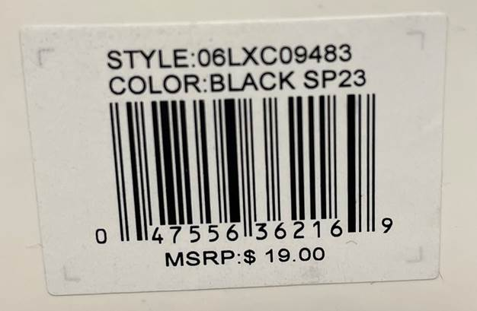

polybag for ecom
GREAT CHINA EMPIRE
MIL Label for Ecom order only, information & placement/layout format as below.
Style | Color | SUB# | SKU# | Lot# | Color# | Size | Supplier#
06LXC38622 | F24 Ivory | 122 | 0075 | 9071 | 154 | 9-11 | 131649
06LXC38622 | BLACK | 122 | 0075 | 9027 | 001 | 9-11 | 131649

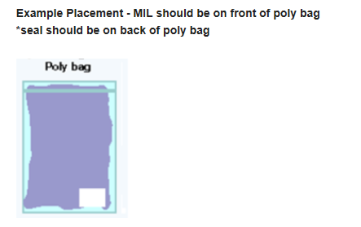
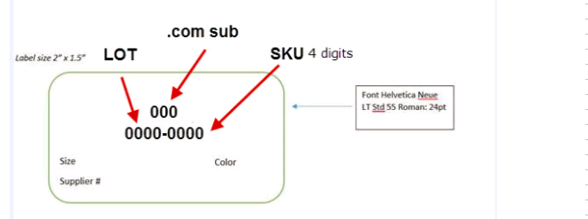

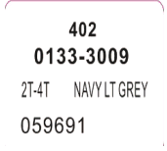
 |  |  |  |  |  |  |  | 尺寸 2"x1.5"

POLYBAG WARNING
The following warning labels printed on all polybags :

WARNING- KEEP THIS BAG AWAY FROM BABIES AND CHILDREN. DO NOT USE IN CRIBS, BEDS,
CARRIAGES, OR PLAYPENS. THIS FILM MAY CLING TO NOSE AND MOUTH AND PREVENT BREATHING.

Specific font sizes are required for printed lettering, depending on the size of polybag.
TICKETED FOR "BS"
 | Total length & Width of the bag
 | 60" |  | at least |  |  | 24 points | (font size)
 | 40-59" |  | at least |  |  | 18 points | (font size)
 | 30-39" |  | at least |  |  | 14 points | (font size)
 | 25-29" |  | at least |  |  | 10 points | (font size)

The United States requires polybags that are less thn 1 mil. thick and have openings that
greater than 7 inches in diameter, or laid flat with an opening 5 inches or greater,
to have a suffocation statement printed on it.

REMARKS :
 | For USA Shipment, Only English warning to be printed on polybag.

