Sheet1
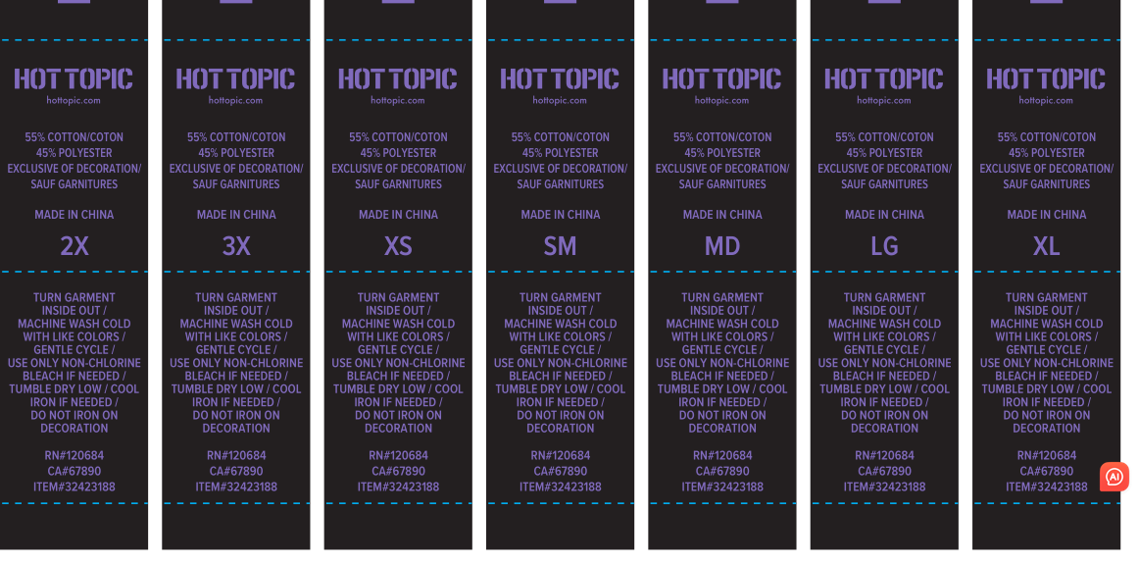

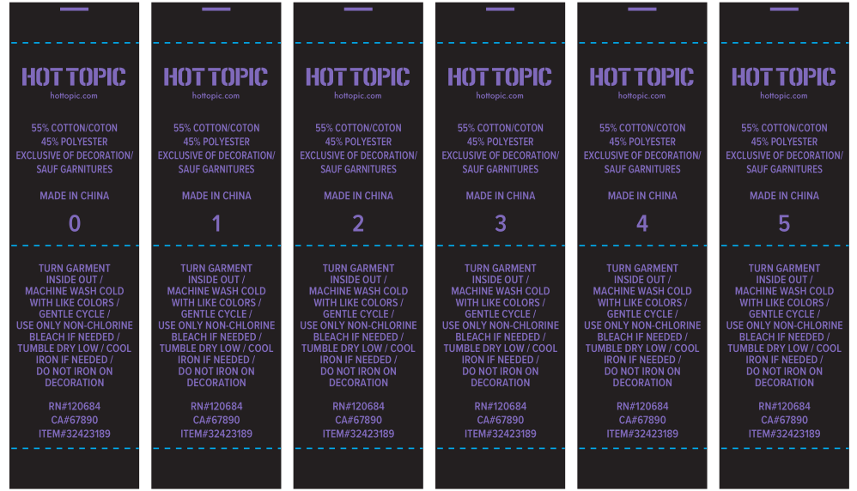

尺码 | 数量
XS | 40
SM | 430
MD | 120
LG | 530
XL | 470
2X | 280
3X | 40
0 | 10
1 | 25
2 | 50
3 | 50
4 | 50
5 | 20
 | 2115

