ROSS通用挂牌
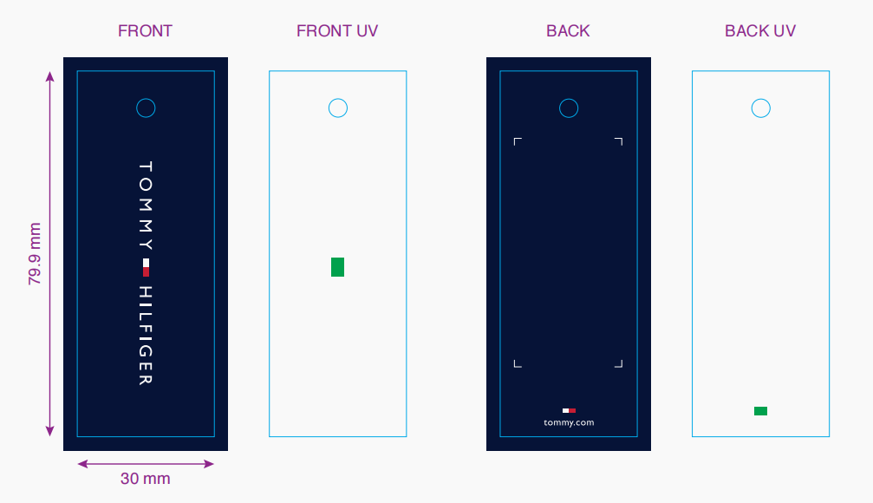
生产单号 | 款号 | 品名描述 | 颜色名称 | 颜色代码 | 衣服颜色 | 单价 | 尺码 | UPC#条形码 | 通用挂牌订量
1240429 | RLF0886 | 3PK SEAMLESS THONG W DEBOSSED LOGO | BEACHGLASS/W/IG | 970 | 翠绿 漂白 浅麻灰 | $36.00 | S | 198271490795 | 1170
 |  |  |  |  |  |  | M | 198271490788 | 2280
 |  |  |  |  |  |  | L | 198271490771 | 2280
 |  |  |  |  |  |  | XL | 198271490801 | 1170
 |  |  | FNDG PINK/B/IHG | 802 | 洋红 桃粉 浅麻灰 | $36.00 | S | 198271494465 | 1170
 |  |  |  |  |  |  | M | 198271494458 | 2280
 |  |  |  |  |  |  | L | 198271494441 | 2280
 |  |  |  |  |  |  | XL | 198271494472 | 1170
 |  |  | SUNSHINE/IG/CB | 971 | 米黄 浅麻灰 菊蓝 | $36.00 | S | 198271494502 | 1170
 |  |  |  |  |  |  | M | 198271494496 | 2280
 |  |  |  |  |  |  | L | 198271494489 | 2280
 |  |  |  |  |  |  | XL | 198271494519 | 1170
1240430 | RLF0887 | 3PK SEAMLESS BIKINI W DEBOSSED LOGO | SUNSHINE/IG/CB | 971 | 米黄 浅麻灰 菊蓝 | $36.00 | S | 198271494380 | 1170
 |  |  |  |  |  |  | M | 198271494373 | 2280
 |  |  |  |  |  |  | L | 198271494366 | 2280
 |  |  |  |  |  |  | XL | 198271494397 | 1170
 |  |  | FNDG PINK/B/IHG | 802 | 洋红 桃粉 浅麻灰 | $36.00 | S | 198271494342 | 1170
 |  |  |  |  |  |  | M | 198271494335 | 2280
 |  |  |  |  |  |  | L | 198271494328 | 2280
 |  |  |  |  |  |  | XL | 198271494359 | 1170
 |  |  | ROSEWATER/BW/BG | 976 | 玫粉 漂白 翠绿 | $36.00 | S | 198271494427 | 1170
 |  |  |  |  |  |  | M | 198271494410 | 2280
 |  |  |  |  |  |  | L | 198271494403 | 2280
 |  |  |  |  |  |  | XL | 198271494434 | 1170
1240431 | RLF0888 | 3PK SEAMLESS HIPSTER W DEBOSSED LOGO | SWEETBLUE/IG/SC | 984 | 冰蓝 浅麻灰 深青 | $36.00 | S | 198271493932 | 1170
 |  |  |  |  |  |  | M | 198271493925 | 2280
 |  |  |  |  |  |  | L | 198271493918 | 2280
 |  |  |  |  |  |  | XL | 198271493949 | 1170
 |  |  | ROEBUCK/RW/DT | 702 | 星空棕 玫粉 深棕 | $36.00 | S | 198271493895 | 1170
 |  |  |  |  |  |  | M | 198271493888 | 2280
 |  |  |  |  |  |  | L | 198271493871 | 2280
 |  |  |  |  |  |  | XL | 198271493901 | 1170
 |  |  | RAPTUREROSE/G/L | 986 | 蔷薇粉 浅麻灰 莲花粉 | $36.00 | S | 198271520386 | 1170
 |  |  |  |  |  |  | M | 198271520379 | 2280
 |  |  |  |  |  |  | L | 198271520362 | 2280
 |  |  |  |  |  |  | XL | 198271520393 | 1170
1240432 | RLF0890 | 3PK SEAMLESS BOYSHORT W DEBOSSED LOGO | SWEETBLUE/IG/SC | 984 | 冰蓝 浅麻灰 深青 | $36.00 | S | 198271494298 | 1170
 |  |  |  |  |  |  | M | 198271494281 | 2280
 |  |  |  |  |  |  | L | 198271494274 | 2280
 |  |  |  |  |  |  | XL | 198271494304 | 1170
 |  |  | ROSEWATER/IG/B | 821 | 玫粉 浅麻灰 黑色 | $36.00 | S | 198271494250 | 1170
 |  |  |  |  |  |  | M | 198271494243 | 2280
 |  |  |  |  |  |  | L | 198271494236 | 2280
 |  |  |  |  |  |  | XL | 198271494267 | 1170
 |  |  | BEACHGLASS/W/IG | 970 | 翠绿 漂白 浅麻灰 | $36.00 | S | 198271490832 | 1170
 |  |  |  |  |  |  | M | 198271490825 | 2280
 |  |  |  |  |  |  | L | 198271490818 | 2280
 |  |  |  |  |  |  | XL | 198271490849 | 1170
 |  |  | FNDG PINK/B/IHG | 802 | 洋红 桃粉 浅麻灰 | $36.00 | S | 198271520041 | 1170
 |  |  |  |  |  |  | M | 198271520034 | 2280
 |  |  |  |  |  |  | L | 198271520027 | 2280
 |  |  |  |  |  |  | XL | 198271520058 | 1170
1240433 | RLF0841 | 3PK SEAMLESS MATTE & SHINE JAC THONG | BEACHGLASS/W/IG | 970 | 翠绿提花 漂白 浅麻灰 | $36.00 | S | 198271490719 | 1170
 |  |  |  |  |  |  | M | 198271490702 | 2280
 |  |  |  |  |  |  | L | 198271490696 | 2280
 |  |  |  |  |  |  | XL | 198271490726 | 1170
1240434 | RLF0842 | 3PK SEAMLESS MATTE & SHINE JAC BIKINI | ROSEWATER/IG/CB | 968 | 玫粉提花 浅麻灰 菊蓝 | $36.00 | S | 198271496292 | 1170
 |  |  |  |  |  |  | M | 198271496285 | 2280
 |  |  |  |  |  |  | L | 198271496278 | 2280
 |  |  |  |  |  |  | XL | 198271496308 | 1170
 |  |  | BEACHGLASS/W/IG | 970 | 翠绿提花 漂白 浅麻灰 | $36.00 | S | 198271490757 | 1170
 |  |  |  |  |  |  | M | 198271490740 | 2280
 |  |  |  |  |  |  | L | 198271490733 | 2280
 |  |  |  |  |  |  | XL | 198271490764 | 1170
1240435 | RLF0843 | 3PK SEAMLESS MATTE & SHINE JAC HIPSTER | SWEETBLUE/RB/SC | 982 | 冰蓝提花 星空棕 深青 | $36.00 | S | 198271496452 | 1170
 |  |  |  |  |  |  | M | 198271496445 | 2280
 |  |  |  |  |  |  | L | 198271496438 | 2280
 |  |  |  |  |  |  | XL | 198271496469 | 1170
 |  |  | ROEBUCK/RW/DT | 702 | 星空棕提花 玫粉 深棕 | $36.00 | S | 198271496414 | 1170
 |  |  |  |  |  |  | M | 198271496407 | 2280
 |  |  |  |  |  |  | L | 198271496391 | 2280
 |  |  |  |  |  |  | XL | 198271496421 | 1170
1240436 | RLF0844 | 3PK SEAMLESS MATTE & SHINE JAC BOYSHORT | ROSEWATER/IG/CB | 968 | 玫粉提花 浅麻灰 菊蓝 | $36.00 | S | 198271496575 | 1170
 |  |  |  |  |  |  | M | 198271496568 | 2280
 |  |  |  |  |  |  | L | 198271496551 | 2280
 |  |  |  |  |  |  | XL | 198271496582 | 1170
1240532 | RLF0987 | 3PK SMLS TNL STRIPE THONG | MORNINGMIST/W/H | 835 | 青色 漂白 麻灰 | $36.00 | S | 198271522410 | 1170
 |  |  |  |  |  |  | M | 198271522403 | 2280
 |  |  |  |  |  |  | L | 198271522397 | 2280
 |  |  |  |  |  |  | XL | 198271522427 | 1170
1240533 | RLF0988 | 3PK SMLS TNL STRIPE BIKNI | MORNINGMIST/W/H | 835 | 青色 漂白 麻灰 | $36.00 | S | 198271522458 | 1170
 |  |  |  |  |  |  | M | 198271522441 | 2280
 |  |  |  |  |  |  | L | 198271522434 | 2280
 |  |  |  |  |  |  | XL | 198271522465 | 1170
 |  |  |  |  | 合计： |  |  |  | 144900

