ROSS方形挂牌
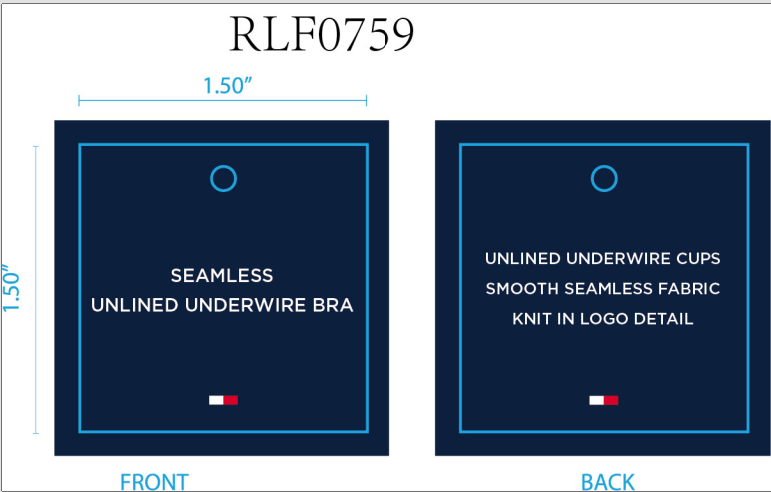
生产单号 | 款号 | 品名描述 | 颜色名称 | 颜色代码 | 颜色 | 单价 | 尺码 | UPC#条形码 | 方形挂牌订量
1240421 | RLF0759 | SEAMLESS UNLINED UNDERWIRE | SWEET BLUE | 860 | 冰蓝 | $38.00 | 34A | 198271506922 | 960
 |  |  |  |  |  |  | 34B | 198271506939 | 1900
 |  |  |  |  |  |  | 34C | 198271506946 | 960
 |  |  |  |  |  |  | 36B | 198271506977 | 960
 |  |  |  |  |  |  | 36C | 198271506984 | 960
 |  |  | ROSEWATER | PK1 | 玫粉 | $38.00 | 34A | 198271512718 | 960
 |  |  |  |  |  |  | 34B | 198271512725 | 1900
 |  |  |  |  |  |  | 34C | 198271512732 | 960
 |  |  |  |  |  |  | 36B | 198271512763 | 960
 |  |  |  |  |  |  | 36C | 198271512770 | 960
1240422 | RLF0792 | SMLS SEWN IN PAD BRA | SKY CAPTAIN | BL5 | 深青 | $40.00 | 34A | 198271505963 | 960
 |  |  |  |  |  |  | 34B | 198271505970 | 1900
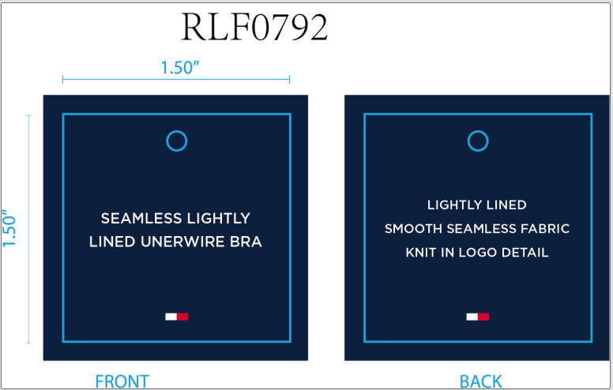
 |  |  |  |  |  |  | 34C | 198271505987 | 960
 |  |  |  |  |  |  | 36B | 198271506014 | 960
 |  |  |  |  |  |  | 36C | 198271506021 | 960
 |  |  | ICE HEATHER GRY | 837 | 浅麻灰 | $40.00 | 34A | 198271506205 | 960
 |  |  |  |  |  |  | 34B | 198271506212 | 1900
 |  |  |  |  |  |  | 34C | 198271506229 | 960
 |  |  |  |  |  |  | 36B | 198271506250 | 960
 |  |  |  |  |  |  | 36C | 198271506267 | 960
 |  |  | CORNFLOWER BLUE | 702 | 菊蓝 | $40.00 | 34A | 198271506083 | 960
 |  |  |  |  |  |  | 34B | 198271506090 | 1900
 |  |  |  |  |  |  | 34C | 198271506106 | 960
 |  |  |  |  |  |  | 36B | 198271506137 | 960
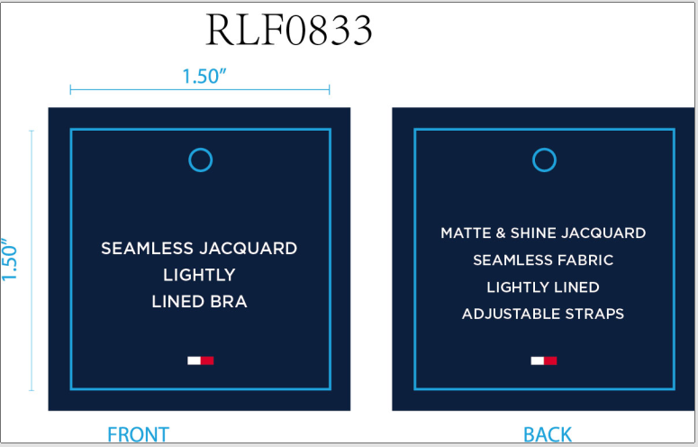
 |  |  |  |  |  |  | 36C | 198271506144 | 960
1240423 | RLF0833 | SMLS LINED UNDERWIRE BRA | THJACSKYCAPT | 778 | 深青提花 | $40.00 | 34A | 198271093132 | 960
 |  |  |  |  |  |  | 34B | 198271093149 | 1910
 |  |  |  |  |  |  | 34C | 198271093156 | 960
 |  |  |  |  |  |  | 36B | 198271093187 | 960
 |  |  |  |  |  |  | 36C | 198271093194 | 960
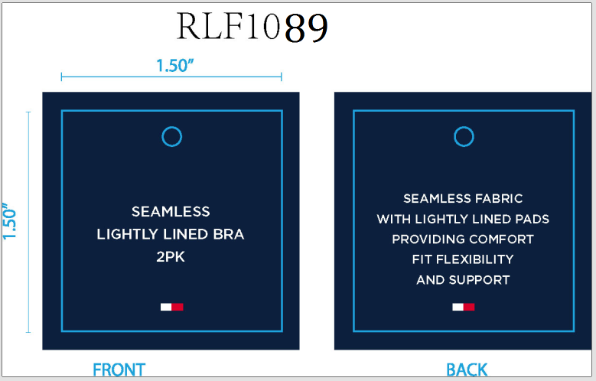
1240424 | RLF1089 | 2PK SMLS LINED MATTE & SHINE | ICEHEATHERGY/SC | 838 | 浅麻灰 深青 | $76.00 | 34A | 198271498678 | 960
 |  |  |  |  |  |  | 34B | 198271498685 | 1910
 |  |  |  |  |  |  | 34C | 198271498692 | 960
 |  |  |  |  |  |  | 36B | 198271498722 | 960
 |  |  |  |  |  |  | 36C | 198271498739 | 960
1240437 | RLF0938 | 2PK SMLS LINED UNDRWR BRA | SWEET BLUE/IHG | 861 | 冰蓝提花 浅麻灰 | $76.00 | 34A | 198271517232 | 960
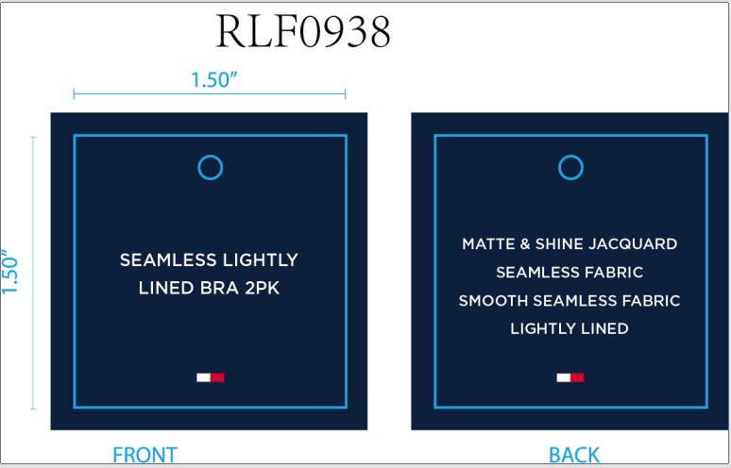
 |  |  |  |  |  |  | 34B | 198271517249 | 1900
 |  |  |  |  |  |  | 34C | 198271517256 | 960
 |  |  |  |  |  |  | 36B | 198271517287 | 960
 |  |  |  |  |  |  | 36C | 198271517294 | 960
 |  |  | ROSEWATER/BRTWT | 846 | 玫粉提花 漂白 | $76.00 | 34A | 198271517119 | 960
 |  |  |  |  |  |  | 34B | 198271517126 | 1900
 |  |  |  |  |  |  | 34C | 198271517133 | 960
 |  |  |  |  |  |  | 36B | 198271517164 | 960
 |  |  |  |  |  |  | 36C | 198271517171 | 960
1240425 | RLF0227 | 2PK SMLS LGHTLY LND TXTR BRA | ROSEWATER/IHG | 845 | 玫粉 浅麻灰 | $72.00 | 34A | 198271504492 | 960
 |  |  |  |  |  |  | 34B | 198271504508 | 1900
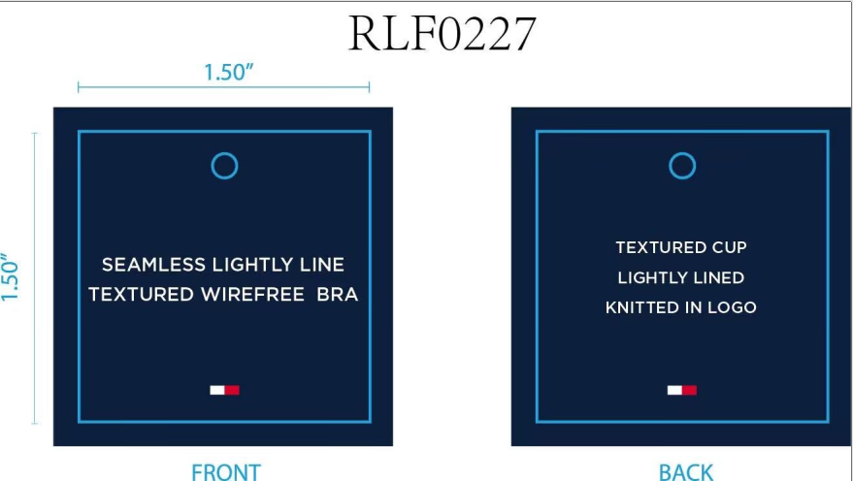
 |  |  |  |  |  |  | 34C | 198271504515 | 960
 |  |  |  |  |  |  | 36B | 198271504546 | 960
 |  |  |  |  |  |  | 36C | 198271504553 | 960
 |  |  | BRIGHT WHITE/SC | 831 | 漂白 深青 | $72.00 | 34A | 198271504379 | 960
 |  |  |  |  |  |  | 34B | 198271504386 | 1900
 |  |  |  |  |  |  | 34C | 198271504393 | 960
 |  |  |  |  |  |  | 36B | 198271504423 | 960
 |  |  |  |  |  |  | 36C | 198271504430 | 960
 |  |  | SWEET BLUE/IHGRY | 862 | 冰蓝 浅麻灰 | $72.00 | 34A | 198271504614 | 960
 |  |  |  |  |  |  | 34B | 198271504621 | 1900
 |  |  |  |  |  |  | 34C | 198271504638 | 960
 |  |  |  |  |  |  | 36B | 198271504669 | 960
 |  |  |  |  |  |  | 36C | 198271504676 | 960
1240426 | RLF0937 | SMLS LINED UNDERWIRE BRA | SWEET BLUE | 860 | 冰蓝 | $40.00 | 34A | 198271503051 | 960
 |  |  |  |  |  |  | 34B | 198271503068 | 1900
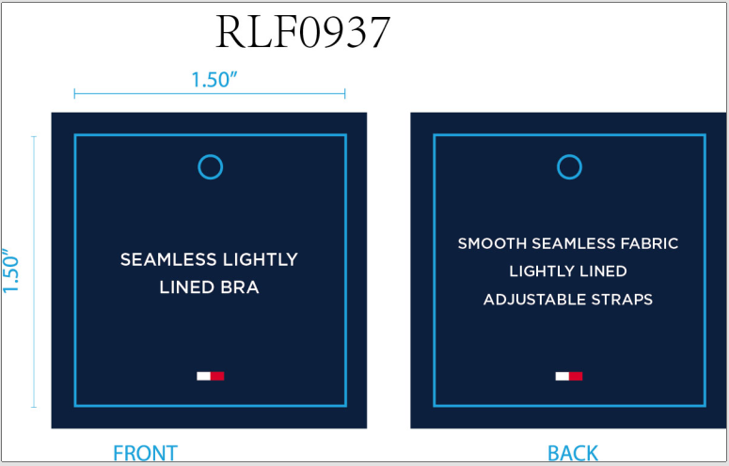
 |  |  |  |  |  |  | 34C | 198271503075 | 960
 |  |  |  |  |  |  | 36B | 198271503105 | 960
 |  |  |  |  |  |  | 36C | 198271503112 | 960
 |  |  | ICEHEATHERGREY | 837 | 浅麻灰 | $40.00 | 34A | 198271502931 | 960
 |  |  |  |  |  |  | 34B | 198271502948 | 1900
 |  |  |  |  |  |  | 34C | 198271502955 | 960
 |  |  |  |  |  |  | 36B | 198271502986 | 960
 |  |  |  |  |  |  | 36C | 198271502993 | 960
 |  |  | ROSEWATER | PK1 | 玫粉 | $40.00 | 34A | 198271502818 | 960
 |  |  |  |  |  |  | 34B | 198271502825 | 1900
 |  |  |  |  |  |  | 34C | 198271502832 | 960
 |  |  |  |  |  |  | 36B | 198271502863 | 960
 |  |  |  |  |  |  | 36C | 198271502870 | 960
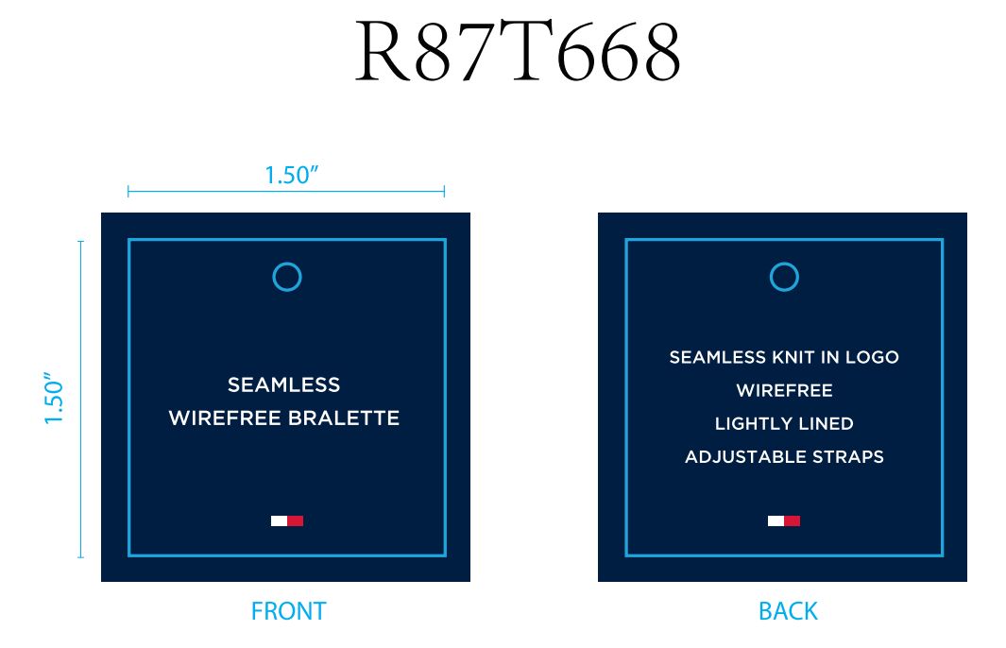
1240427 | R87T668 | 2PK SMLS KNIT BRLTE | HTHRGRY/SKYCPTN | 724 | 麻灰 深青 | $60.00 | S | 196258921867 | 960
 |  |  |  |  |  |  | M | 196258921850 | 1900
 |  |  |  |  |  |  | L | 196258921843 | 1900
 |  |  |  |  |  |  | XL | 196258921874 | 960
 |  |  | BRIGHTWHITE/BLK | 814 | 漂白 黑色 | $60.00 | S | 198271517058 | 960
 |  |  |  |  |  |  | M | 198271517041 | 1900
 |  |  |  |  |  |  | L | 198271517034 | 1900
 |  |  |  |  |  |  | XL | 198271517065 | 960
 |  |  |  |  | 合计： |  |  |  | 97560

