AUSTRALIA方形挂牌
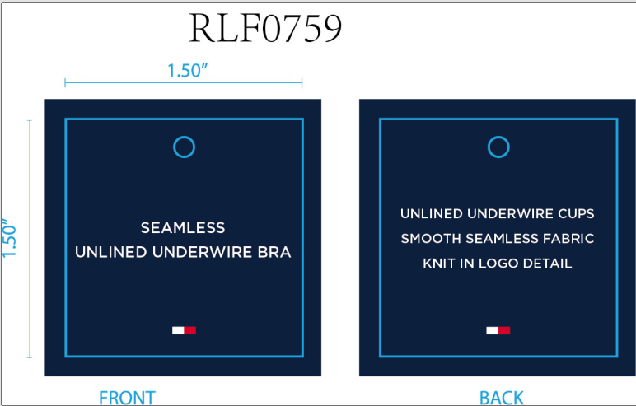
生产单号 | 款号 | 描述 | 颜色名称 | 颜色代码 | 颜色 | AUD RRP单价 | NZD RRP单价 | MSRP单价 | 尺码 | UPC#条形码贴 | 方形挂牌订量
1240439 | RLF0759 | SEAMLESS CONTRAST ICONIC LOGO BRA BAND UNLINED UNDERWIRE | SWEET BLUE | 860 | 冰蓝 | $79.95 | $89.99 | $38.00 | 34A | 198271506922 | 180
 |  |  |  |  |  |  |  |  | 34B | 198271506939 | 180
 |  |  |  |  |  |  |  |  | 34C | 198271506946 | 180
 |  |  |  |  |  |  |  |  | 36B | 198271506977 | 180
 |  |  |  |  |  |  |  |  | 36C | 198271506984 | 180
 |  |  | ROSEWATER | PK1 | 玫粉 | $79.95 | $89.99 | $38.00 | 34A | 198271512718 | 180
 |  |  |  |  |  |  |  |  | 34B | 198271512725 | 180
 |  |  |  |  |  |  |  |  | 34C | 198271512732 | 180
 |  |  |  |  |  |  |  |  | 36B | 198271512763 | 180
 |  |  |  |  |  |  |  |  | 36C | 198271512770 | 180
1240440 | RLF0792 | SEAMLESS LIGHTLY LINED UNDERWIRE CONTRAST ICONIC LOGO BRA BAND | SKY CAPTAIN | BL5 | 深青 | $89.95 | $99.99 | $40.00 | 34A | 198271505963 | 180
 |  |  |  |  |  |  |  |  | 34B | 198271505970 | 180
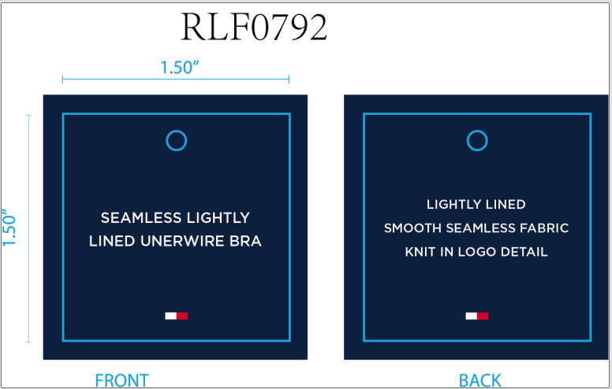
 |  |  |  |  |  |  |  |  | 34C | 198271505987 | 180
 |  |  |  |  |  |  |  |  | 36B | 198271506014 | 180
 |  |  |  |  |  |  |  |  | 36C | 198271506021 | 180
 |  |  | ICE HEATHER GRY | 837 | 浅麻灰 | $89.95 | $99.99 | $40.00 | 34A | 198271506205 | 180
 |  |  |  |  |  |  |  |  | 34B | 198271506212 | 180
 |  |  |  |  |  |  |  |  | 34C | 198271506229 | 180
 |  |  |  |  |  |  |  |  | 36B | 198271506250 | 180
 |  |  |  |  |  |  |  |  | 36C | 198271506267 | 180
 |  |  | CORNFLOWER BLUE | 702 | 菊蓝 | $89.95 | $99.99 | $40.00 | 34A | 198271506083 | 180
 |  |  |  |  |  |  |  |  | 34B | 198271506090 | 180
 |  |  |  |  |  |  |  |  | 34C | 198271506106 | 180
 |  |  |  |  |  |  |  |  | 36B | 198271506137 | 180
 |  |  |  |  |  |  |  |  | 36C | 198271506144 | 180
 |  |  |  |  | 合计： |  |  |  |  |  | 4500

