HOUSE方形挂牌
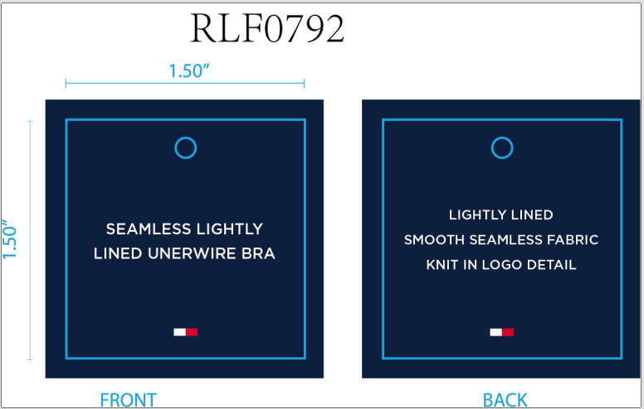
生产单号 | 款号 | 品名描述 | 颜色名称 | 颜色名称 | 颜色名称 | 单价 | 尺码 | UPC | 方形挂牌订量
1240441 | RLF0792 | SEAMLESS LIGHTLY LINED UNDERWIRE CONTRAST ICONIC LOGO BRA BAND | ICE HEATHER GREY | 837 | 浅麻灰 | $40.00 | 34A | 198271506205 | 270
 |  |  |  |  |  |  | 34B | 198271506212 | 510
 |  |  |  |  |  |  | 34C | 198271506229 | 270
 |  |  |  |  |  |  | 36B | 198271506250 | 270
 |  |  |  |  |  |  | 36C | 198271506267 | 270
1240442 | RLF0227 | 2PK SEAMLESS LIGHTLY LINED WIREFREE RIB & HERRINGBONE TEXTURED BRA | ROSEWATER/ICE HEATHER GREY | 845 | 玫粉 浅麻灰 | $72.00 | 34A | 198271504492 | 550
 |  |  |  |  |  |  | 34B | 198271504508 | 1100
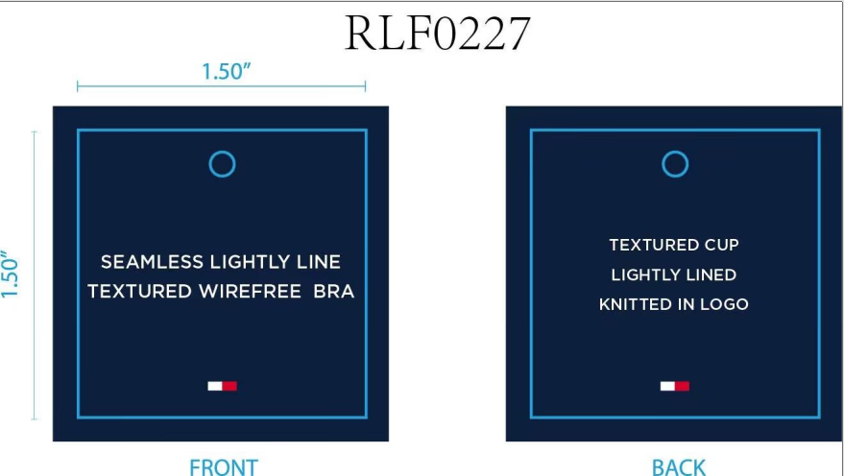
 |  |  |  |  |  |  | 34C | 198271504515 | 550
 |  |  |  |  |  |  | 36B | 198271504546 | 550
 |  |  |  |  |  |  | 36C | 198271504553 | 550
 |  |  | BRIGHT WHITE/SKY CAPTAIN | 831 | 漂白 深青 |  | 34A | 198271504379 | 290
 |  |  |  |  |  |  | 34B | 198271504386 | 550
 |  |  |  |  |  |  | 34C | 198271504393 | 290
 |  |  |  |  |  |  | 36B | 198271504423 | 290
 |  |  |  |  |  |  | 36C | 198271504430 | 290
 |  |  |  |  | 合计： |  |  |  | 6600

