BURLINGTON方形挂牌
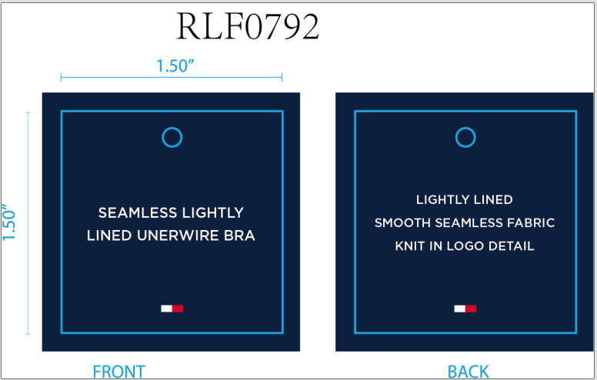
生产单号 | 款号 | 品名描述 | 颜色名称 | 颜色代码 | 衣服颜色 | 单价 | 尺码 | UPC#条形码 | 方形挂牌订量
1240443 | RLF0792 | SEAMLESS LIGHTLY LINED UNDERWIRE CONTRAST ICONIC LOGO BRA BAND | SKY CAPTAIN | BL5 | 深青 | $40.00 | 34A | 198271505963 | 180
 |  |  |  |  |  |  | 34B | 198271505970 | 330
 |  |  |  |  |  |  | 34C | 198271505987 | 180
 |  |  |  |  |  |  | 36B | 198271506014 | 180
 |  |  |  |  |  |  | 36C | 198271506021 | 180
1240444 | RLF0227 | 2PK SEAMLESS LIGHTLY LINED WIREFREE RIB & HERRINGBONE TEXTURED BRA | ROSEWATER/IHG | 845 | 玫粉 浅麻灰 | $72.00 | 34A | 198271504492 | 230
 |  |  |  |  |  |  | 34B | 198271504508 | 430
 |  |  |  |  |  |  | 34C | 198271504515 | 230
 |  |  |  |  |  |  | 36B | 198271504546 | 230
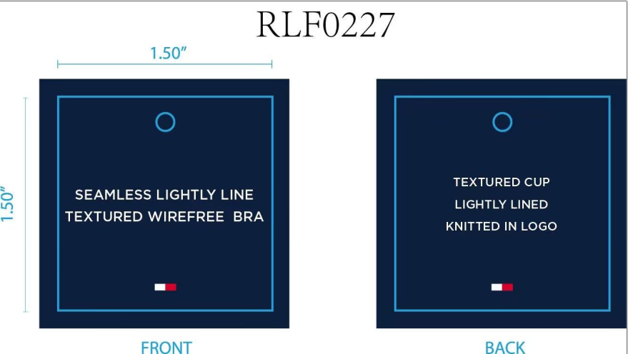
 |  |  |  |  |  |  | 36C | 198271504553 | 230
 |  |  | SWEETBLUE/IHGRY | 862 | 冰蓝 浅麻灰 |  | 34A | 198271504614 | 230
 |  |  |  |  |  |  | 34B | 198271504621 | 430
 |  |  |  |  |  |  | 34C | 198271504638 | 230
 |  |  |  |  |  |  | 36B | 198271504669 | 230
 |  |  |  |  |  |  | 36C | 198271504676 | 230
 |  |  |  |  | 合计： |  |  |  | 3750

