方形挂牌
生产订单 | 款号 | 品名描述 | 颜色名称 | 颜色名称 | 颜色代码 | 衣服颜色 | 零售价 | 尺码 | UPC条形码 | 原单数量 | 方形挂牌订量
1240506 | R75T602 | SEAMLESS TAILORED WIREFREE BRA | BALANCED BEIGE | BALANCED BEIGE | 702 | 浅米灰 | $36.50 | S | 196258019083 | 630 | 660
 |  |  |  |  |  |  | $36.50 | M | 196258019076 | 1170 | 1220
 |  |  |  |  |  |  | $36.50 | L | 196258019069 | 720 | 750
 |  |  |  |  |  |  | $36.50 | XL | 196258019090 | 490 | 520
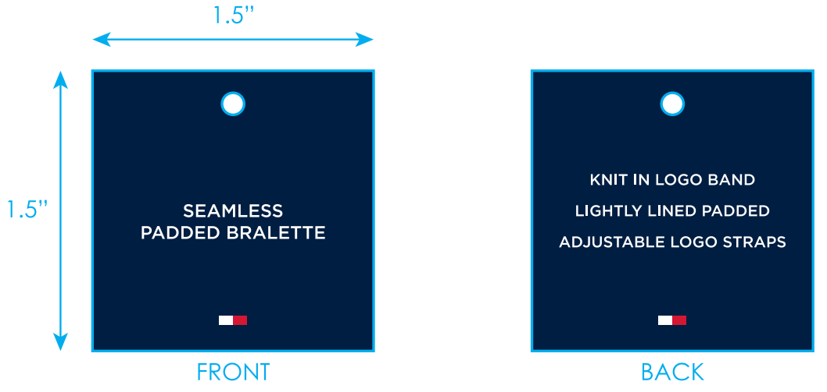
 | R75T602 | SEAMLESS TAILORED WIREFREE BRA | BLACK | BLACK | BK1 | 黑色 | $36.50 | S | 193666367485 | 400 | 430
 |  |  |  |  |  |  | $36.50 | M | 193666367478 | 850 | 880
 |  |  |  |  |  |  | $36.50 | L | 193666367461 | 700 | 730
 |  |  |  |  |  |  | $36.50 | XL | 193666367492 | 500 | 530
 | R75T602 | SEAMLESS TAILORED WIREFREE BRA | NAVY BLAZER | NAVY BLAZER | BL3 | 深青 | $36.50 | S | 198271575041 | 1040 | 1090
 |  |  |  |  |  |  | $36.50 | M | 198271575034 | 1740 | 1790
 |  |  |  |  |  |  | $36.50 | L | 198271575027 | 1120 | 1170
 |  |  |  |  |  |  | $36.50 | XL | 198271575058 | 560 | 590
1240507 | R75T602 | SEAMLESS TAILORED WIREFREE BRA | BALANCED BEIGE | BALANCED BEIGE | 702 | 浅米灰 | $36.50 | S | 196258019083 | 70 | 100
 |  |  |  |  |  |  | $36.50 | M | 196258019076 | 100 | 130
 |  |  |  |  |  |  | $36.50 | L | 196258019069 | 20 | 40
 |  |  |  |  |  |  | $36.50 | XL | 196258019090 | 20 | 40
 | R75T602 | SEAMLESS TAILORED WIREFREE BRA | BLACK | BLACK | BK1 | 黑色 | $36.50 | S | 193666367485 | 120 | 150
 |  |  |  |  |  |  | $36.50 | M | 193666367478 | 130 | 160
 |  |  |  |  |  |  | $36.50 | L | 193666367461 | 80 | 100
 |  |  |  |  |  |  | $36.50 | XL | 193666367492 | 50 | 70
 | R75T602 | SEAMLESS TAILORED WIREFREE BRA | NAVY BLAZER | NAVY BLAZER | BL3 | 深青 | $36.50 | S | 198271575041 | 60 | 80
 |  |  |  |  |  |  | $36.50 | M | 198271575034 | 120 | 150
 |  |  |  |  |  |  | $36.50 | L | 198271575027 | 50 | 70
 |  |  |  |  |  |  | $36.50 | XL | 198271575058 | 30 | 50
1240508 | R75T602 | SEAMLESS TAILORED WIREFREE BRA | BALANCED BEIGE | BALANCED BEIGE | 702 | 浅米灰 | $36.50 | S | 196258019083 | 100 | 130
 |  |  |  |  |  |  | $36.50 | M | 196258019076 | 200 | 230
 |  |  |  |  |  |  | $36.50 | L | 196258019069 | 120 | 150
 |  |  |  |  |  |  | $36.50 | XL | 196258019090 | 80 | 100
 | R75T602 | SEAMLESS TAILORED WIREFREE BRA | BLACK | BLACK | BK1 | 黑色 | $36.50 | S | 193666367485 | 710 | 740
 |  |  |  |  |  |  | $36.50 | M | 193666367478 | 2570 | 2620
 |  |  |  |  |  |  | $36.50 | L | 193666367461 | 1630 | 1680
 |  |  |  |  |  |  | $36.50 | XL | 193666367492 | 610 | 640
 | R75T602 | SEAMLESS TAILORED WIREFREE BRA | NAVY BLAZER | NAVY BLAZER | BL3 | 深青 | $36.50 | S | 198271575041 | 1130 | 1180
 |  |  |  |  |  |  | $36.50 | M | 198271575034 | 1900 | 1950
 |  |  |  |  |  |  | $36.50 | L | 198271575027 | 1220 | 1270
 |  |  |  |  |  |  | $36.50 | XL | 198271575058 | 610 | 640
1240509 | R75T602 | SEAMLESS TAILORED WIREFREE BRA | BALANCED BEIGE | BALANCED BEIGE | 702 | 浅米灰 | $36.50 | S | 196258019083 | 70 | 90
 |  |  |  |  |  |  | $36.50 | M | 196258019076 | 100 | 130
 |  |  |  |  |  |  | $36.50 | L | 196258019069 | 20 | 40
 |  |  |  |  |  |  | $36.50 | XL | 196258019090 | 20 | 40
 | R75T602 | SEAMLESS TAILORED WIREFREE BRA | BLACK | BLACK | BK1 | 黑色 | $36.50 | S | 193666367485 | 50 | 70
 |  |  |  |  |  |  | $36.50 | M | 193666367478 | 100 | 130
 |  |  |  |  |  |  | $36.50 | L | 193666367461 | 60 | 80
 |  |  |  |  |  |  | $36.50 | XL | 193666367492 | 40 | 60
 | R75T602 | SEAMLESS TAILORED WIREFREE BRA | NAVY BLAZER | NAVY BLAZER | BL3 | 深青 | $36.50 | S | 198271575041 | 60 | 80
 |  |  |  |  |  |  | $36.50 | M | 198271575034 | 110 | 130
 |  |  |  |  |  |  | $36.50 | L | 198271575027 | 50 | 70
 |  |  |  |  |  |  | $36.50 | XL | 198271575058 | 30 | 50
 |  |  |  |  |  | 合计： |  |  |  | 22360 | 23800

