分PO数据
Style Code | Country of Original | Order Number | Delivery Country | 求和项:Total Open Quantity
Z5493AZ | Egypt | 1415912 | ECOM | 792
Z5493AZ | Egypt | 1415913 | TURKEY | 3960
Z5493AZ | Egypt | 1415914 | EGYPT | 495
Z5493AZ | Egypt | 1416027 | ECOM | 200
Z5493AZ | Egypt | 1416034 | TURKEY | 2445
Z5493AZ | Egypt | 1416035 | TURKEY | 4158
Z5493AZ | Egypt | 1416036 | TURKEY | 1998
Z5493AZ | MYANMAR | 1396128 | MONTENEGRO | 57
Z5493AZ | MYANMAR | 1396130 | MACEDONIA | 174
Z5493AZ | MYANMAR | 1396133 | UKRAINE | 276
Z5493AZ | MYANMAR | 1396135 | SERBIA | 152
Z5493AZ | MYANMAR | 1396137 | BOSNIA | 208
Z5493AZ | MYANMAR | 1396139 | MOLDOVA | 328
Z5493AZ | MYANMAR | 1396141 | UZBEKISTAN | 84
Z5493AZ | MYANMAR | 1396143 | ALBANIA | 142
Z5493AZ | MYANMAR | 1396145 | ECOM MP | 184
Z5493AZ | MYANMAR | 1396147 | NORTH IRAQ | 160
Z5493AZ | MYANMAR | 1396149 | MOROCCO | 323
Z5493AZ | MYANMAR | 1396151 | SOUTH IRAQ | 187
Z5493AZ | MYANMAR | 1396152 | TOPTAN-5 | 387
Z5493AZ | MYANMAR | 1396154 | TOPTAN-7 | 364
Z5493AZ | MYANMAR | 1396162 | KAZAKHSTAN | 604
Z5493AZ | MYANMAR | 1396169 | GEORGIA | 168
Z5493AZ | MYANMAR | 1415911 | AZERBAIJAN | 810
Z5493AZ | MYANMAR | 1416042 | TURKEY | 2502
Z5493AZ | MYANMAR | 1416261 | AZERBAIJAN | 117
Z5493AZ | MYANMAR | 1416262 | LEBANON | 117
Z5493AZ | MYANMAR | 1416709 | TURKEY | 4509
 |  |  |  | 25901

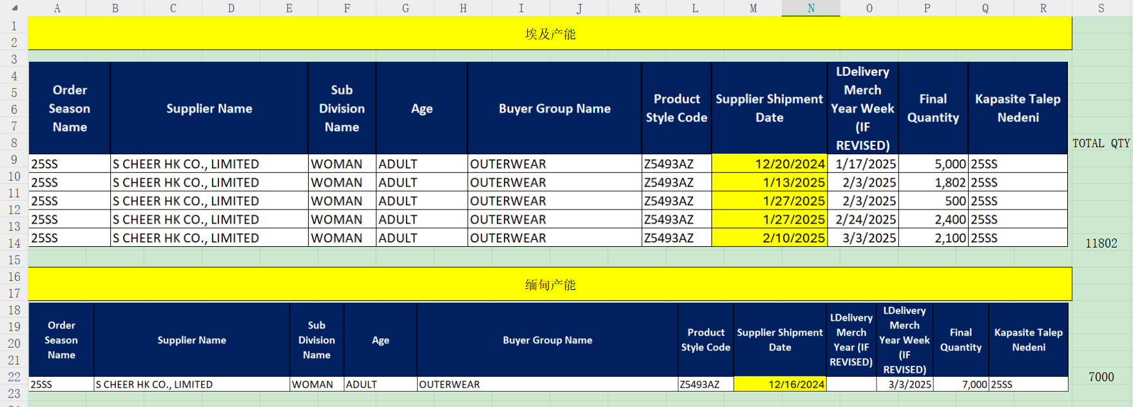

交期
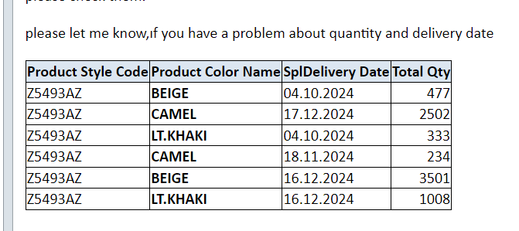
Style Code | Country of Original | Supplier Shipment Date | 求和项:Total Open Quantity | TOTAL QTY
Z5493AZ | Egypt | 2024-12-20 | 4950 | 14048
 | Egypt | 2025-01-13 | 3960
 | Egypt | 2025-01-14 | 200
 | Egypt | 2025-01-27 | 2940
 | Egypt | 2025-02-10 | 1998
 | MYANMAR | 2024-10-04 | 810 | 11853
 | MYANMAR | 2024-10-14 | 1773
 | MYANMAR | 2024-10-20 | 1421
 | MYANMAR | 2024-11-18 | 234
 | MYANMAR | 2024-11-23 | 604
 | MYANMAR | 2024-12-16 | 4509
 | MYANMAR | 2024-12-17 | 2502

