made with love转印标
MOTHERCARE SS25 转印标
 |  |  |  | 2.3 | 50 | 56 | 62 | 68 | 74 | 80 | 86 | 92 | 98
款号 | 颜色 | 大货样 |  | tiny baby | new baby | up to 1 | 1-3 | 3-6 | 6-9 | 9-12 | 12-18 | 18-24 | 2-3 | 总数
 |  |  |  | mnths | mnths | mnths | mnths | mnths | mnths | mnths | mnths | mnths | yrs
LK523 | 16-1518 TCX | 1-3M*30 | 6-9M*10 |  | 341 | 328 | 538 | 655 | 485 | 367 | 332 | 147 | 97 | 3290
LK531 | 16-1518 TCX |  |  |  | 126 | 195 | 402 | 531 | 573 | 394 | 298 | 178 | 80 | 2777
LK533 | 16-1518 TCX |  |  |  | 220 | 215 | 518 | 698 | 576 | 504 | 409 | 145 | 55 | 3340

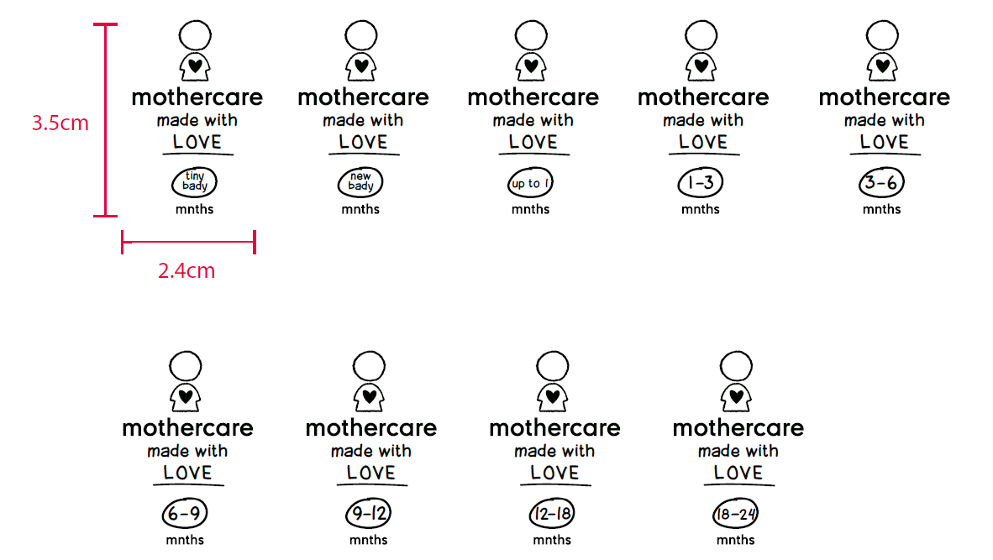
 |  |  |  |  |  |  |  |  |  |  |  |  |  | 9407

