PO
TIME LINE EGYPT FREE ZONE

PURCHASE ORDER

SUPPLIER : - | TCW-CHINA |  |  | MERCHANDISER | AhmedFathy-
DELEIVERY : | TIMELINE -AMREYA PUBLIC FREE ZONE-ALEXANDRIA-EGYPT |  |  | CUSTOMER PO# | TL-PO267-24
 |  |  |  | BILL TO : - | TIME LINE EGYPT
NAME/PHONE |  |  |  | 2024-08-31

S/NO | STYLE | ITEM | PANTONE NUMBER | DESCRIPTION | FONT | SIZE | item number | QTY
1 | WR005264-MEXICO | CARTON STICKERS | BLUE-15-3920 | LS MENS POCKET TEE | ARIAL BOLD | 8"X 3" | 1805125 | 3100
2 | WR005264-USA INLINE |  |  | LS POCKET TEE |  |  | 1805125 | 2000
3 | WR005264 US.COM |  |  | LS POCKET TEE |  |  | 1821278 | 38
4 | WR005264 US.COM |  |  | LS POCKET TEE |  |  | 1821279 | 105
5 | WR005264 US.COM |  |  | LS POCKET TEE |  |  | 1821280 | 179
6 | WR005264 US.COM |  |  | LS POCKET TEE |  |  | 1821281 | 166
7 | WR005264 US.COM |  |  | LS POCKET TEE |  |  | 1821282 | 99
8 | WR005264 US.COM |  |  | LS POCKET TEE |  |  | 1821283 | 32
9 | WR005264 US.COM |  |  | LS POCKET TEE |  |  | 1821284 | 36
10 | WR005264 US.COM |  |  | LS POCKET TEE |  |  | 1821285 | 99
11 | WR005264 US.COM |  |  | LS POCKET TEE |  |  | 1821286 | 168
12 | WR005264 US.COM |  |  | LS POCKET TEE |  |  | 1821287 | 155
13 | WR005264 US.COM |  |  | LS POCKET TEE |  |  | 1821288 | 92
14 | WR005264 US.COM |  |  | LS POCKET TEE |  |  | 1821289 | 29
15 | WR005264 US.COM |  |  | LS POCKET TEE |  |  | 1821290 | 34
16 | WR005264 US.COM |  |  | LS POCKET TEE |  |  | 1821291 | 95
17 | WR005264 US.COM |  |  | LS POCKET TEE |  |  | 1821292 | 162
18 | WR005264 US.COM |  |  | LS POCKET TEE |  |  | 1821293 | 151
19 | WR005264 US.COM |  |  | LS POCKET TEE |  |  | 1821294 | 90
20 | WR005264 US.COM |  |  | LS POCKET TEE |  |  | 1821295 | 27
TOTAL |  |  |  |  |  |  | 6856
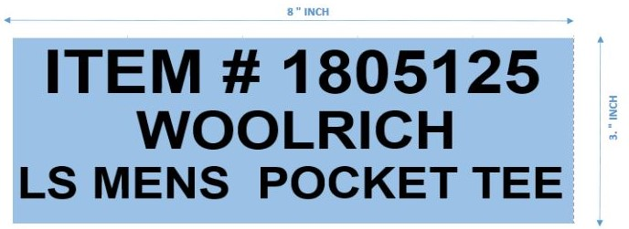

 |  |  |  | ARIAL BOLD 72 PT |  |  | ITEM # 1805125
 |  |  |  |  |  |  | WOOLRICH
 |  |  |  |  |  |  | LS MENS POCKET TEE

 |  |  |  | BUFFLO ARIAL BOLD 45PT
