Sheet1
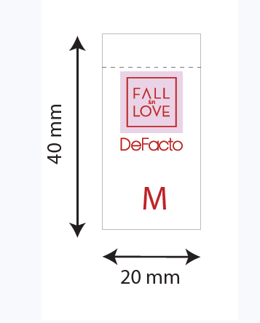
款号 | XS | S | M | L | XL | 合计
B0208AX | 58 | 572 | 693 | 669 | 547 | 2539
B5451AX | 59 | 585 | 647 | 631 | 511 | 2433
D6411AX | 289 | 674 | 707 | 672 | 604 | 2946
D6412AX | 284 | 664 | 944 | 642 | 342 | 2876
D6437AX | 0 | 353 | 676 | 644 | 323 | 1996
D6438AX | 0 | 353 | 676 | 644 | 323 | 1996
D6442AX | 305 | 636 | 632 | 618 | 323 | 2514
D6443AX | 0 | 488 | 733 | 488 | 245 | 1954
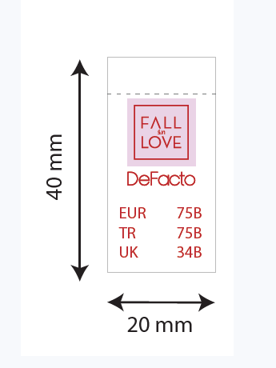

款号 | 70/B | 75/A | 75/B | 80/A | 80/B | 85/B | 合计
D6408AX | 310 | 318 | 603 | 316 | 597 | 597 | 2741
D6410AX | 366 | 366 | 688 | 352 | 660 | 654 | 3086
D6439AX | 335 | 343 | 653 | 341 | 647 | 647 | 2966

款号 | 70/B | 75/B | 75/C | 80/B | 80/C | 85/B | 85/C | 90/B | 90/C | 合计
D6440AX | 18 | 329 | 277 | 616 | 283 | 616 | 291 | 289 | 249 | 2968

