Sheet1
 | ColorCode-Name | 背面 | 尺码段 | 求和项:XS | 求和项:S | 求和项:M | 求和项:L | 求和项:XL | 求和项:XXL
 | WT46 - OFF WHITE |  |  | 151 | 1601 | 2491 | 1780 | 1660 | 299
 |  | 有价格 |  | 151 | 1601 | 2491 | 1780 | 1660 | 299
 |  |  | s-xl | 0 | 880 | 1320 | 880 | 880 | 0
 |  |  | 无xs | 0 | 419 | 718 | 598 | 478 | 299
 |  |  | 无xxl | 151 | 302 | 453 | 302 | 302 | 0
 | 总计 |  |  | 151 | 1601 | 2491 | 1780 | 1660 | 299

款号 | 颜色 | 背面 | 尺码段 | XS | S | M | L | XL | XXL | 涉及PO
D7843AX | WT46 - OFF WHITE | 有价格 | s-xl | 0 | 924 | 1386 | 924 | 924 | 0 | 1445455/1445456/1445457/1445464/1445465/1445751
 |  |  | 无xs | 0 | 440 | 754 | 628 | 502 | 314 | 1445448/1445451/1445452/1445453/1445454
 |  |  | 无xxl | 159 | 317 | 476 | 317 | 317 | 0 | 1445458/1445459/1445460/1445461/1445462/1445463

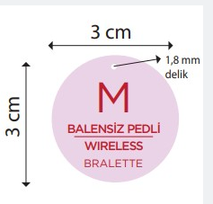
 |  |  |  | D7843AX
 |  | 尺码吊牌数量 |  | XS | S | M | L | XL | XXL
 |  |  |  | 159 | 1681 | 2616 | 1869 | 1743 | 314

