Sheet2
Style Code | ColorCode-Name | 背面 | 尺码段 | XS | S | M | L | XL | 涉及PO
D6411AX | RD59 - RED | 无价格 | XS-XL | 34 | 76 | 80 | 74 | 36 | 1401776
 |  | 有价格 | S-XL | 0 | 58 | 87 | 58 | 58 | 1401781/1401782/1401783
 |  |  | XS-XL | 199 | 428 | 428 | 428 | 398 | 1401775/1401778/79/80/84/85/86/87/88/89

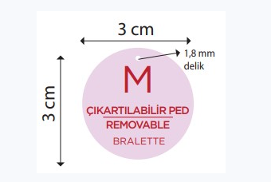
 | 尺码吊牌 |  |  | XS | S | M | L | XL
 |  |  |  | 289 | 674 | 707 | 672 | 604

