价格牌数量
Style Code | ColorCode-Name | 背面 | 求和项:70/B | 求和项:75/A | 求和项:75/B | 求和项:80/A | 求和项:80/B | 求和项:85/B | 涉及PO
D6439AX | BK81 - BLACK | 无价格 | 42 | 50 | 92 | 48 | 86 | 86 | 1401822
 |  | 有价格 | 244 | 244 | 463 | 244 | 463 | 463 | 1401809/1401811/812/813/814/815/816/817/818/819/820/821

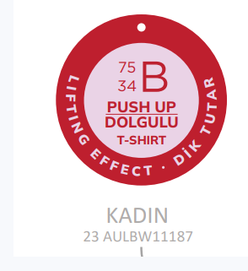
 | 尺码吊牌数量 |  | 70/B | 75/A | 75/B | 80/A | 80/B | 85/B
 |  |  | 335 | 343 | 653 | 341 | 647 | 647

