价格牌数量
款号 | 颜色 | 背面 | XS | S | M | L | XL | 涉及PO
D6442AX | BK81 - BLACK | 无价格 | 22 | 70 | 66 | 52 | 40 | 1401851
 |  | 有价格 | 240 | 480 | 480 | 480 | 240 | 1401842/43/44/45/46/47/48/49/50/52/54/55/56

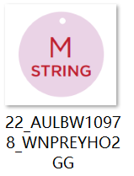
 | 尺码吊牌数量 |  | XS | S | M | L | XL
 |  |  | 305 | 636 | 632 | 618 | 323

