FLAG LABEL
Order Information:

Item No | Description | Quantity | Unit | Unit Price |  | Total Price
 |  |  |  | USD | EGP | USD | EGP
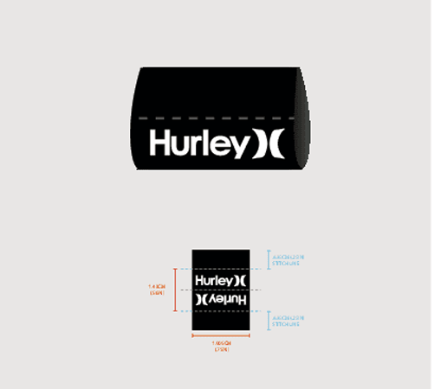

 | Packaging Trim, TAB 1791, HURLEY O&O-FLAG LABEL | 5900 | PC

 | Total Quantity | 5900.00 |  | Subtotal |  | 0.00 | 0.00

