HANG TAG
Order Information:

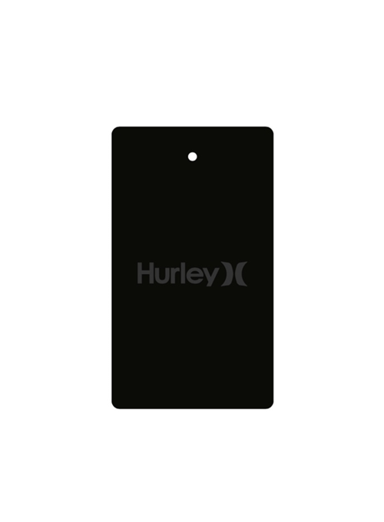
Item No | Description |  | Quantity | Unit | Unit Price |  | Total Price
 |  |  |  |  | USD | EGP | USD | EGP
 |  |  |  |  |  |  |  | 0.00
 |  |  |  |  |  |  |  | 0.00
 | T45050-N-HANG TAG W FSC |  | 14324 | PC |  |  |  | 0.00
 |  |  |  |  |  |  |  | 0.00
 |  |  |  |  |  |  |  | 0.00
 |  |  |  |  |  |  |  | 0.00

 | Total Quantity |  | 14324.00
® | Buyer: | RECALL |  |  | BANK CHARGE |  | 0.00 | 0.00
® | Style No.: | HURLEY |  |  | Shipping |  | 0.00 | 0.00
® | Order Ref.: | 15616/17781 |  |  | Total USD/EGP |  | 0.00 | 0.00

