挂装 GTIN
款号 | UPC | 配比 | 颜色 | 数量
823D269P | 190917844757 | XS | BLU STRIPE 蓝条子 | 24
823D269P | 190917844764 | S | BLU STRIPE | 34
823D269P | 190917844771 | M | BLU STRIPE | 46
823D269P | 190917844788 | L | BLU STRIPE | 54
823D269P | 190917844795 | XL | BLU STRIPE | 44
823D269P | 190917844801 | XXL | BLU STRIPE | 26
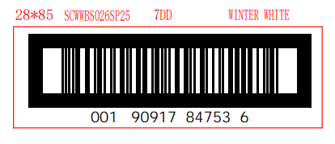
 |  |  | 蓝色条子

