BOSCOVS RP PROJECTIONS方形挂牌
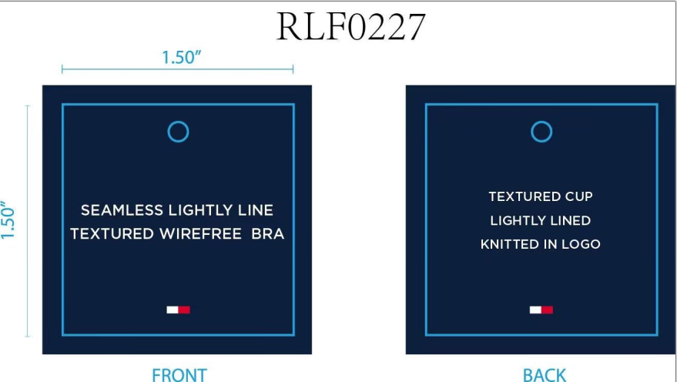
生产单号 | 款号 | 品名描述 | 颜色缩写 | 颜色代码 | 衣服颜色 | 单价 | 尺码 | UPC | 方形挂牌订量
1240997 | RLF0227 | 2PK SMLS LGHTLY LND TXTR BRA | ICEHTHRGREY/SC | 824 | 浅麻灰 深青 | $72.00 | 34A | 198271592277 | 80
 |  |  |  |  |  | $72.00 | 34B | 198271592284 | 80
 |  |  |  |  |  | $72.00 | 34C | 198271592291 | 60
 |  |  |  |  |  | $72.00 | 36B | 198271592321 | 80
 |  |  |  |  |  | $72.00 | 36C | 198271592338 | 80
 |  |  | BRIGHTWHITE/BB | 863 | 漂白 浅米灰 | $72.00 | 34A | 198271592390 | 160
 |  |  |  |  |  | $72.00 | 34B | 198271592406 | 160
 |  |  |  |  |  | $72.00 | 34C | 198271592413 | 130
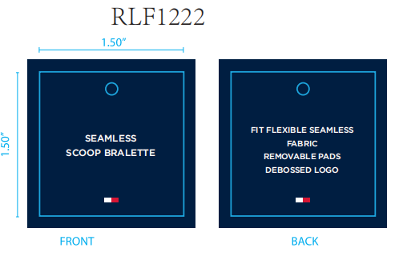
 |  |  |  |  |  | $72.00 | 36B | 198271592444 | 160
 |  |  |  |  |  | $72.00 | 36C | 198271592451 | 160
1240998 | RLF1222 | 2PK SEAMLESS DEBOSS BRLT | BRIGHTWHITE/BB | 863 | 漂白 浅米灰 | $60.00 | S | 198271592611 | 130
 |  |  |  |  |  | $60.00 | M | 198271592604 | 180
 |  |  |  |  |  | $60.00 | L | 198271592598 | 180
 |  |  |  |  |  | $60.00 | XL | 198271592628 | 130
 |  |  | ICEHTHRGREY/SC | 824 | 浅麻灰 深青 | $60.00 | S | 198271592574 | 80
 |  |  |  |  |  | $60.00 | M | 198271592567 | 130
 |  |  |  |  |  | $60.00 | L | 198271592550 | 130
 |  |  |  |  |  | $60.00 | XL | 198271592581 | 80
 |  |  |  |  | 合计 |  |  |  | 2190

