AMAZON方形挂牌
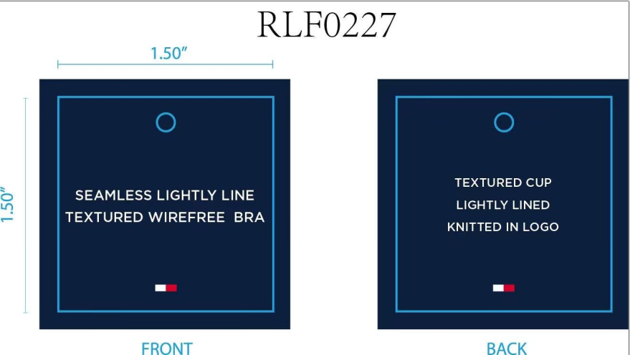
生产单 | 款号 | 品名描述 | 颜色缩写 | 颜色代码 | 衣服颜色 | 尺码 | 单价 | UPC | 通用挂牌订量
1240999 | RLF0227 | 2PK SMLS LGHTLY LND TXTR BRA | ICEHTHRGREY/SC | 824 | 浅麻灰 深青 | 34A | $72.00 | 198271592277 | 120
 |  |  |  |  |  | 34B | $72.00 | 198271592284 | 210
 |  |  |  |  |  | 34C | $72.00 | 198271592291 | 110
 |  |  |  |  |  | 36B | $72.00 | 198271592321 | 150
 |  |  |  |  |  | 36C | $72.00 | 198271592338 | 170
 |  |  | BRIGHTWHITE/BB | 863 | 漂白 浅米灰 | 34A | $72.00 | 198271592390 | 130
 |  |  |  |  |  | 34B | $72.00 | 198271592406 | 230
 |  |  |  |  |  | 34C | $72.00 | 198271592413 | 120
 |  |  |  |  |  | 36B | $72.00 | 198271592444 | 150
 |  |  |  |  |  | 36C | $72.00 | 198271592451 | 180
 |  |  | BEAUJOLAIS/BLBE | 865 | 鲜红 浅米灰 | 34A | $72.00 | 198271676458 | 60
 |  |  |  |  |  | 34B | $72.00 | 198271676465 | 100
 |  |  |  |  |  | 34C | $72.00 | 198271676472 | 70
 |  |  |  |  |  | 36B | $72.00 | 198271676502 | 70
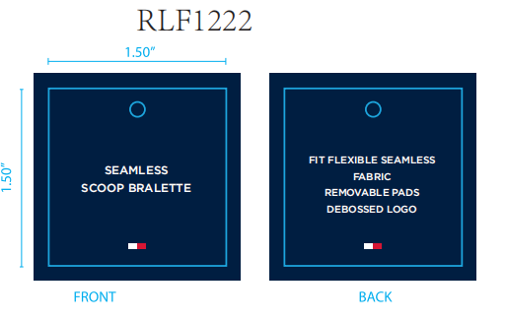
 |  |  |  |  |  | 36C | $72.00 | 198271676519 | 70
 |  |  | HYDRO/HGREY | 781 | 典蓝 麻灰 | 34A | $72.00 | 198271676373 | 60
 |  |  |  |  |  | 34B | $72.00 | 198271676380 | 100
 |  |  |  |  |  | 34C | $72.00 | 198271676397 | 70
 |  |  |  |  |  | 36B | $72.00 | 198271676427 | 70
 |  |  |  |  |  | 36C | $72.00 | 198271676434 | 70
1241000 | RLF1222 | 2PK SEAMLESS DEBOSS BRLT | BRIGHTWHITE/BB | 863 | 漂白 浅米灰 | S | $60.00 | 198271592611 | 80
 |  |  |  |  |  | M | $60.00 | 198271592604 | 50
 |  |  |  |  |  | L | $60.00 | 198271592598 | 50
 |  |  | ICEHTHRGREY/SC | 824 | 浅麻灰 深青 | S | $60.00 | 198271592574 | 120
 |  |  |  |  |  | M | $60.00 | 198271592567 | 70
 |  |  |  |  |  | L | $60.00 | 198271592550 | 50

