HOUSE DC 630方形挂牌
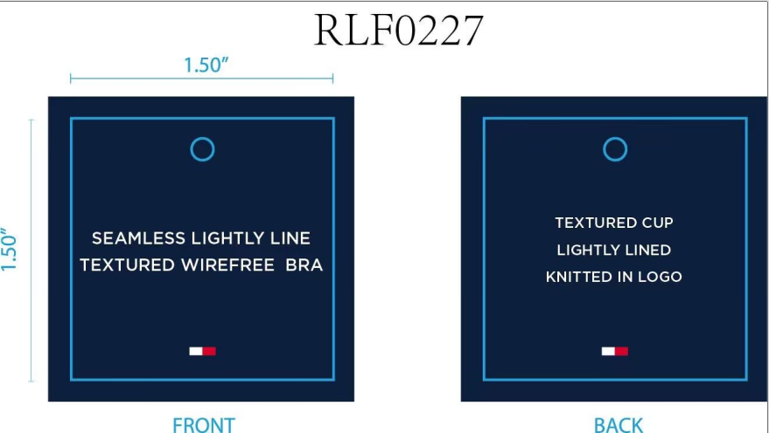
生产单号 | 款号 | 品名描述 | 颜色名称 | 颜色缩写 | 颜色代码 | 衣服颜色 | 尺码 | UPC | 单价 | 数量 | 方形挂牌订量
1241010 | RLF0227 | 2PK SMLS LGHTLY LND TXTR BRA | ICE HEATHER GREY/SKY CAPTAIN | ICEHTHRGREY/SC | 824 | 浅麻灰 深青 | 34A | 198271592277 | $72.00 | 834 | 870
 |  |  |  |  |  |  | 34B | 198271592284 | $72.00 | 1668 | 1700
 |  |  |  |  |  |  | 34C | 198271592291 | $72.00 | 834 | 870
 |  |  |  |  |  |  | 36B | 198271592321 | $72.00 | 834 | 870
 |  |  |  |  |  |  | 36C | 198271592338 | $72.00 | 834 | 870
 |  |  | BRIGHT WHITE/BALANCED BEIGE | BRIGHTWHITE/BB | 863 | 漂白 浅米灰 | 34A | 198271592390 | $72.00 | 834 | 870
 |  |  |  |  |  |  | 34B | 198271592406 | $72.00 | 1668 | 1700
 |  |  |  |  |  |  | 34C | 198271592413 | $72.00 | 834 | 870
 |  |  |  |  |  |  | 36B | 198271592444 | $72.00 | 834 | 870
 |  |  |  |  |  |  | 36C | 198271592451 | $72.00 | 834 | 870
 |  |  | BEAUJOLAIS/BALANCED BEIGE | BEAUJOLAIS/BLBE | 865 | 鲜红 浅米灰 | 34A | 198271676458 | $72.00 | 300 | 330
 |  |  |  |  |  |  | 34B | 198271676465 | $72.00 | 600 | 630
 |  |  |  |  |  |  | 34C | 198271676472 | $72.00 | 300 | 330
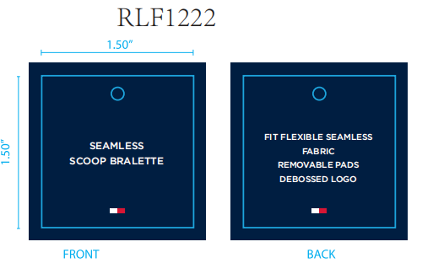
 |  |  |  |  |  |  | 36B | 198271676502 | $72.00 | 300 | 330
 |  |  |  |  |  |  | 36C | 198271676519 | $72.00 | 300 | 330
 |  |  | HYDRO/HEATHER GREY | HYDRO/HGREY | 781 | 典蓝 麻灰 | 34A | 198271676373 | $72.00 | 300 | 330
 |  |  |  |  |  |  | 34B | 198271676380 | $72.00 | 600 | 630
 |  |  |  |  |  |  | 34C | 198271676397 | $72.00 | 300 | 330
 |  |  |  |  |  |  | 36B | 198271676427 | $72.00 | 300 | 330
 |  |  |  |  |  |  | 36C | 198271676434 | $72.00 | 300 | 330
1241011 | RLF1222 | 2PK SEAMLESS DEBOSS BRLT | BRIGHT WHITE/BALANCED BEIGE | BRIGHTWHITE/BB | 863 | 漂白 浅米灰 | S | 198271592611 | $60.00 | 390 | 420
 |  |  |  |  |  |  | M | 198271592604 | $60.00 | 585 | 620
 |  |  |  |  |  |  | L | 198271592598 | $60.00 | 195 | 230
 |  |  | ICE HEATHER GREY/SKY CAPTAIN | ICEHTHRGREY/SC | 824 | 浅麻灰 深青 | S | 198271592574 | $60.00 | 368 | 400
 |  |  |  |  |  |  | M | 198271592567 | $60.00 | 552 | 590
 |  |  |  |  |  |  | L | 198271592550 | $60.00 | 184 | 220
 |  |  |  |  |  | 合计 |  |  |  |  | 16740

