12.5
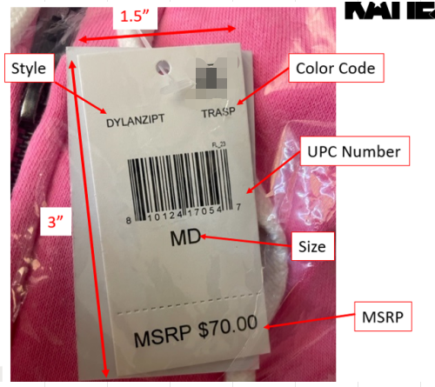
 | Style | Color | Size | colordesc | ColorDesc | Price | 数量 | 加10%损耗 | 价格牌数量
G3712032 po.51609/51610 | LYNNSST | CKTJB | SM | CAMP KTJ BLUE PRINT | 492040109766 | $70.00 | 20 | 22 | 22
 | LYNNSST | CKTJB | MD | CAMP KTJ BLUE PRINT | 492040109773 | $70.00 | 44 | 48.4 | 49
 | LYNNSST | CKTJB | LG | CAMP KTJ BLUE PRINT | 492040109780 | $70.00 | 53 | 58.3 | 59
 | LYNNSST | CKTJB | XLG | CAMP KTJ BLUE PRINT | 492040109797 | $70.00 | 33 | 36.3 | 37
 | LYNNSST | CKTJG | SM | CAMP KTJ GREEN PRINT | 492040109803 | $70.00 | 9 | 9.9 | 10
 | LYNNSST | CKTJG | MD | CAMP KTJ GREEN PRINT | 492040109810 | $70.00 | 19 | 20.9 | 21
 | LYNNSST | CKTJG | LG | CAMP KTJ GREEN PRINT | 492040109827 | $70.00 | 23 | 25.3 | 26
 | LYNNSST | CKTJG | XLG | CAMP KTJ GREEN PRINT | 492040109834 | $70.00 | 14 | 15.4 | 16
 | LYNNSST | CKTJR | SM | CAMP KTJ RED PRINT | 492040109841 | $70.00 | 5 | 5.5 | 6
 | LYNNSST | CKTJR | MD | CAMP KTJ RED PRINT | 492040109858 | $70.00 | 10 | 11 | 12
 | LYNNSST | CKTJR | LG | CAMP KTJ RED PRINT | 492040109865 | $70.00 | 12 | 13.2 | 14
 | LYNNSST | CKTJR | XLG | CAMP KTJ RED PRINT | 492040109872 | $70.00 | 8 | 8.8 | 9
 | LYNNSST | CKTJY | SM | CAMP KTJ YELW PRINT | 492040109889 | $70.00 | 6 | 6.6 | 7
 | LYNNSST | CKTJY | MD | CAMP KTJ YELW PRINT | 492040109896 | $70.00 | 15 | 16.5 | 17
 | LYNNSST | CKTJY | LG | CAMP KTJ YELW PRINT | 492040109902 | $70.00 | 18 | 19.8 | 20
 | LYNNSST | CKTJY | XLG | CAMP KTJ YELW PRINT | 492040109919 | $70.00 | 11 | 12.1 | 13
 | LYNNSST | LEMPR | SM | LEMON PRINT | 492040109926 | $70.00 | 13 | 14.3 | 15
 | LYNNSST | LEMPR | MD | LEMON PRINT | 492040109933 | $70.00 | 27 | 29.7 | 30
 | LYNNSST | LEMPR | LG | LEMON PRINT | 492040109940 | $70.00 | 28 | 30.8 | 31
 | LYNNSST | LEMPR | XLG | LEMON PRINT | 492040109957 | $70.00 | 18 | 19.8 | 20
 | LYNNSST | MLTGM | SM | MULTI GINGHAM | 492040109964 | $70.00 | 13 | 14.3 | 15
 | LYNNSST | MLTGM | MD | MULTI GINGHAM | 492040109971 | $70.00 | 27 | 29.7 | 30
 | LYNNSST | MLTGM | LG | MULTI GINGHAM | 492040109988 | $70.00 | 28 | 30.8 | 31
 | LYNNSST | MLTGM | XLG | MULTI GINGHAM | 492040109995 | $70.00 | 18 | 19.8 | 20
G3712011 po.51389/51390 | MAIAPANTSETT | BLKNP | SM | Black/Neon Pink | 492040110007 | $70.00 | 13 | 14.3 | 15
 | MAIAPANTSETT | BLKNP | MD | Black/Neon Pink | 492040110014 | $70.00 | 26 | 28.6 | 29
 | MAIAPANTSETT | BLKNP | LG | Black/Neon Pink | 492040110021 | $70.00 | 26 | 28.6 | 29
 | MAIAPANTSETT | BLKNP | XLG | Black/Neon Pink | 492040110038 | $70.00 | 17 | 18.7 | 19
 | MAIAPANTSETT | PKRBP | SM | Pink Rosebud Plaid | 492040300705 | $72.00 | 13 | 14.3 | 15
 | MAIAPANTSETT | PKRBP | MD | Pink Rosebud Plaid | 492040300712 | $72.00 | 26 | 28.6 | 29
 | MAIAPANTSETT | PKRBP | LG | Pink Rosebud Plaid | 492040300729 | $72.00 | 26 | 28.6 | 29
 | MAIAPANTSETT | PKRBP | XLG | Pink Rosebud Plaid | 492040300736 | $72.00 | 17 | 18.7 | 19

