Sheet1
 | ME SALVE SKU LIST
VENDOR NUMBER | 2267
VENDOR | LOUISE PARIS
ORDER NUM. | P-002402417300

UPC CODES | SKU | DESCRIPTION | STYLE | SIZE | COLOR | QTY ORDER | Photo Format – JPG (JPEG) Photo Resolution: • 640x480 in landscape mode (Landscape orientation is when the camera is held horizontally) • 480x640 in portrait mode (Portrait orientation is when the camera is held vertically) | CARTON LABEL | 数量 | 工厂
842080 19931 7 | 506060 | LADIES SET TOP AND SHORT POPLI | CS0144-PK WTH | S-M-L-XL | STRIPES-WHITE | 480 | 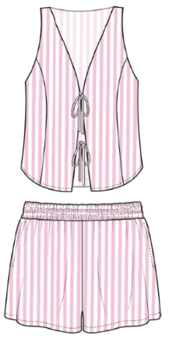 | 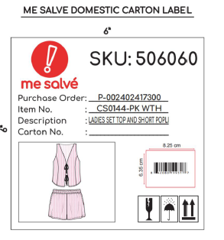 | 45个 | 艺尚
842080 19933 1 | 506059 | LADIES SET TOP AND SHORT POPLI | CS0144-KHK WT | S-M-L-XL | STRIPES-KHAKI | 480 | 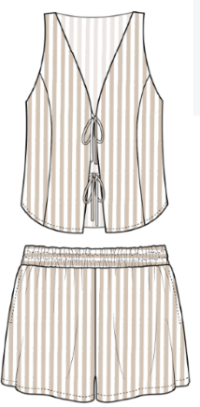 | 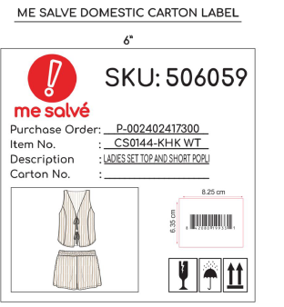 | 45个 | 艺尚
842080 19932 4 | 506058 | LADIES SET TOP AND SHORT POPLI | CS0144-BLU WT | S-M-L-XL | STRIPES-BLUE | 480 | 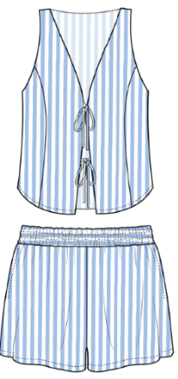 | 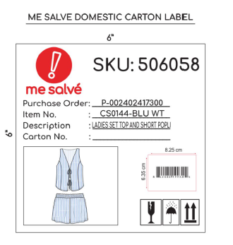 | 45个 | 艺尚
842080 19894 5 | 506069 | LADIES SET TOP AND SHORT A FLO | CS0152-WHT | S-M-L-XL | WHITE | 480 |  | 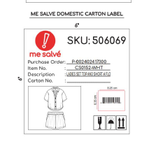 | 45个 | 艺尚
842080 19891 4 | 506068 | LADIES SET TOP AND SHORT A FLO | CS0152-RYL | S-M-L-XL | ROYAL | 480 |  | 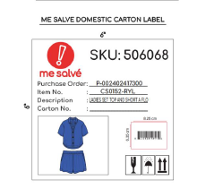 | 45个 | 艺尚
842080 19893 8 | 506067 | LADIES SET TOP AND SHORT A FLO | CS0152-RED | S-M-L-XL | RED | 480 |  | 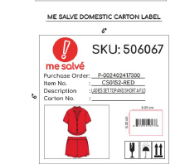 | 45个 | 艺尚
842080 19892 1 | 506066 | LADIES SET TOP AND SHORT A FLO | CS0152-J BEAN | S-M-L-XL | GREEN | 480 |  | 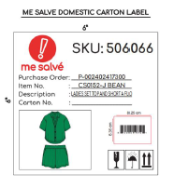 | 45个 | 艺尚
842080 19927 0 | 506054 | LADIES SET TOP AND SHORT GINGH | CS0138-RED WT | S-M-L-XL | PRINT-RED | 480 | 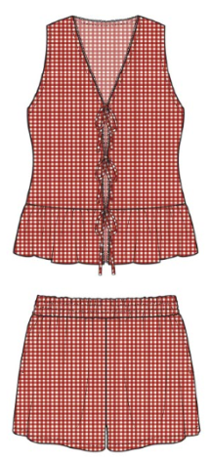 | 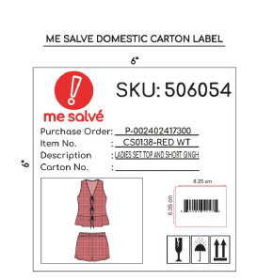 | 45个 | 浩佳
842080 19928 7 | 506053 | LADIES SET TOP AND SHORT GINGH | CS0138-BLK WT | S-M-L-XL | PRINT-BLACK | 480 | 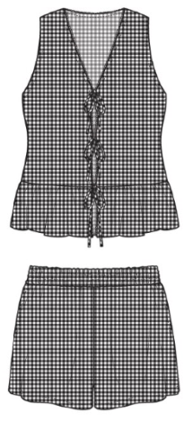 | 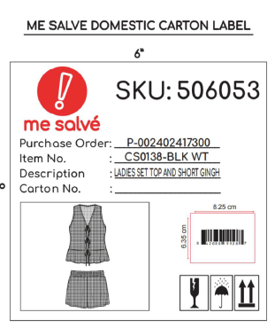 | 45个 | 浩佳
842080 19929 4 | 506065 | LADIES SET TOP AND SHORT BANDA | CS0148-BL WT BN | S-M-L-XL | PRINT | 480 | 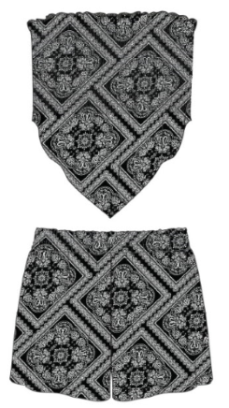 | 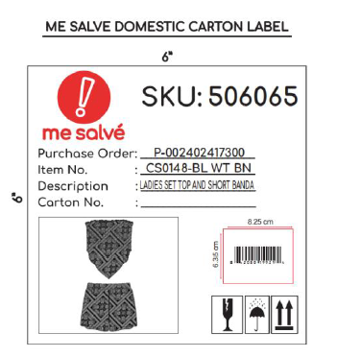 | 45个 | 浩佳
842080 19930 0 | 506064 | LADIES SET TOP AND SHORT CHEET | CS0148-BBB CHET | S-M-L-XL | PRINT | 480 |  | 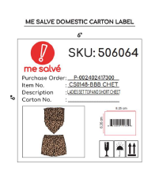 | 45个 | 浩佳
842080 19926 3 | 506063 | LADIES SET CHERRY PRINT TOP AN | CS0147-CHR | S-M-L-XL | PRINT | 480 | 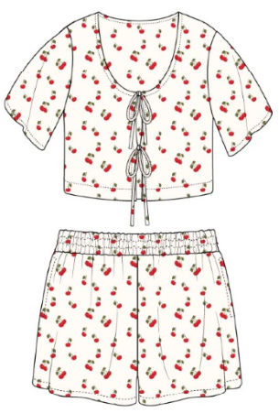 | 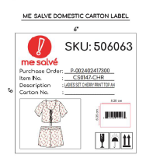 | 45个 | 浩佳
842080 19934 8 | 506062 | LADIES SET TOP AND SHORT LINEN | CS0145-WT | S-M-L-XL | WHITE | 480 |  | 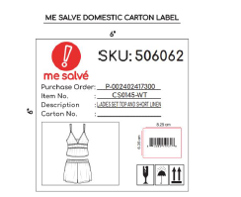 | 45个 | 浩佳
842080 19935 5 | 506061 | LADIES SET TOP AND SHORT LINEN | CS0145-KHAKI | S-M-L-XL | KHAKI | 480 |  | 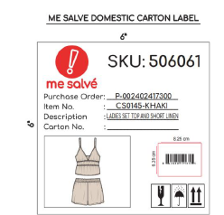 | 45个 | 浩佳
842080 19937 9 | 506057 | LADIES SET TOP AND SHORT POPLI | CS0139-LIL WT | S-M-L-XL | STRIPES-LILAC | 480 | 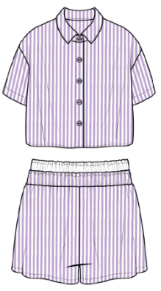 | 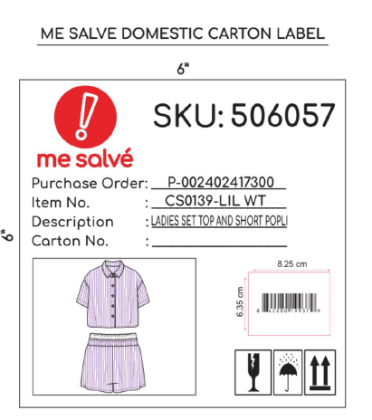 | 45个 | 安徽定远刘铭
842080 19938 6 | 506056 | LADIES SET TOP AND SHORT POPLI | CS0139-G WT | S-M-L-XL | STRIPES-GRAY | 480 | 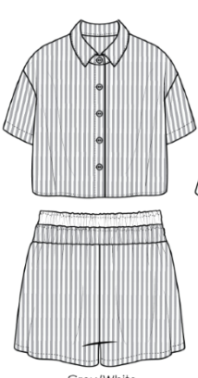 | 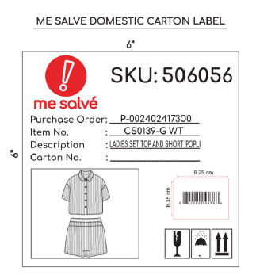 | 45个 | 安徽定远刘铭
842080 19936 2 | 506055 | LADIES SET TOP AND SHORT POPLI | CS0139-BLU WT | S-M-L-XL | STRIPES-BLUE | 480 | 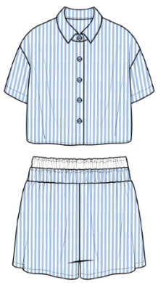 | 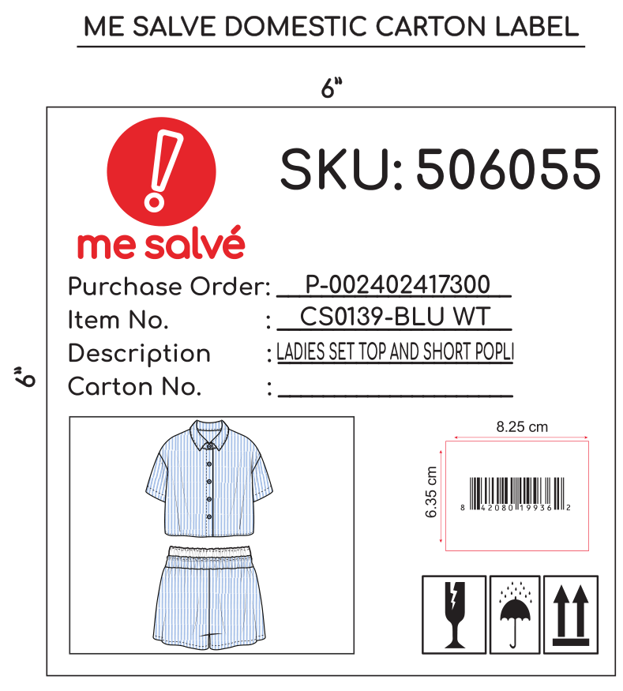 | 45个 | 安徽定远刘铭

