Sheet1
 | ME SALVE SKU LIST
VENDOR NUMBER | 2267
VENDOR | LOUISE PARIS
ORDER NUM. | P-002402417300

UPC CODES | SKU | DESCRIPTION | 款号 | SIZE | COLOR | 数量 | Photo Format – JPG (JPEG) Photo Resolution: • 640x480 in landscape mode (Landscape orientation is when the camera is held horizontally) • 480x640 in portrait mode (Portrait orientation is when the camera is held vertically) | CARTON LABEL | 数量 | 工厂
842080 19903 4 | 506085 | LADIES SET TOP AND SHORT LS AI | CS0163-WHT | S-M-L-XL | WHITE | 480 | 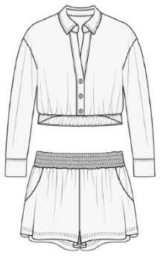 |  | 20 | 安徽丽裳
842080 19905 8 | 506084 | LADIES SET TOP AND SHORT LS AI | CS0163-POINC | S-M-L-XL | RED | 480 | 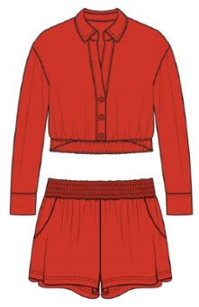 |  | 20 | 安徽丽裳
842080 19906 5 | 506083 | LADIES SET TOP AND SHORT LS AI | CS0163-OX TAB | S-M-L-XL | TAUPE | 480 | 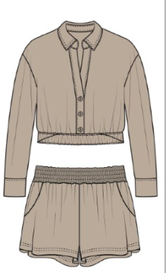 |  | 20 | 安徽丽裳
842080 19904 1 | 506082 | LADIES SET TOP AND SHORT LS AI | CS0163-CHM BLU | S-M-L-XL | CHAMBRAY | 480 | 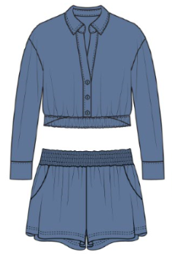 |  | 20 | 安徽丽裳
842080 19909 6 | 506081 | LADIES SET TOP AND SHORT | CS0162-W TAUP | S-M-L-XL | TAUPE | 480 | 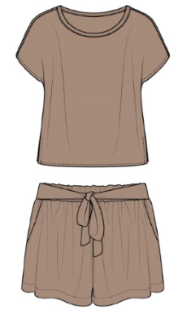 |  | 20 | 安徽丽裳
842080 19910 2 | 506080 | LADIES SET AIRFLOW TOP AND SHO | CS0162-S PK | S-M-L-XL | PINK | 480 |  |  | 20 | 安徽丽裳
842080 19907 2 | 506079 | LADIES SET AIRFLOW TOP AND SHO | CS0162-BLUE | S-M-L-XL | BLUE | 480 |  |  | 20 | 安徽丽裳
842080 19908 9 | 506078 | LADIES SET AIRFLOW TOP AND SHO | CS0162-BLK | S-M-L-XL | BLACK | 480 |  |  | 20 | 安徽丽裳
842080 19901 0 | 506077 | LADIES SET TOP AND L PANTS AIR | CS0161-SOD BLU | S-M-L-XL | BLUE-DARK | 480 |  |  | 20 | 江西乾禾
842080 19900 3 | 506076 | LADIES SET TOP AND L PANTS AIR | CS0161-POINC | S-M-L-XL | RED | 480 |  |  | 20 | 江西乾禾
842080 19899 0 | 506075 | LADIES SET TOP AND L PANTS AIR | CS0161-OXF TAN | S-M-L-XL | TAN | 480 |  |  | 20 | 江西乾禾
842080 19902 7 | 506074 | LADIES SET TOP AND L PANTS AIR | CS0161-HONSCK | S-M-L-XL | PINK-FUSCIA | 480 |  |  | 20 | 江西乾禾
842080 19897 6 | 506073 | LADIES SET TOP AND L PANTS AIR | CS0160-HONEYSUC | S-M-L-XL | PINK-FUSCIA | 480 |  |  | 20 | 安徽丽裳
842080 19898 3 | 506072 | LADIES SET TOP AND L PANTS AIR | CS0160-GRB GRN | S-M-L-XL | GREEN | 480 |  |  | 20 | 安徽丽裳
842080 19896 9 | 506071 | LADIES SET TOP AND L PANTS AIR | CS0160-BUR ORG | S-M-L-XL | ORANGE | 504 |  |  | 21 | 安徽丽裳
842080 19895 2 | 506070 | LADIES SET TOP AND L PANTS AIR | CS0160-BLK | S-M-L-XL | BLACK | 480 |  |  | 20 | 安徽丽裳
842080 19920 1 | 506100 | LADIES TOP AIR SL FLOW R NECK | 63921-MEL | S-M-L-XL | ORANGE | 480 | 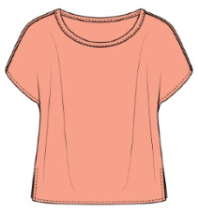 |  | 20 | 安徽丽裳
842080 19921 8 | 506099 | LADIES TOP AIR SL FLOW R NECK | 63921-HML | S-M-L-XL | GREEN | 480 | 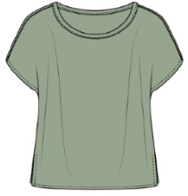 |  | 20 | 安徽丽裳
842080 19922 5 | 506098 | LADIES TOP AIR SL FLOW R NECK | 63921-C BLUE | S-M-L-XL | BLUE | 480 | 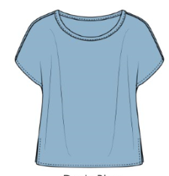 |  | 20 | 安徽丽裳
842080 19919 5 | 506097 | LADIES TOP AIR FLOW SL R NECK | 63921-BLK | S-M-L-XL | BLACK | 480 | 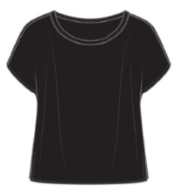 |  | 20 | 安徽丽裳
842080 19911 9 | 506096 | LADIES TIE FRONT BTN TOP AIR F | 63910-WT | S-M-L-XL | WHITE | 480 | 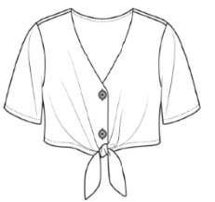 |  | 20 | 江西乾禾
842080 19914 0 | 506095 | LADIES TIE FRONT BTN TOP AIR F | 63910-RY | S-M-L-XL | ROYAL | 480 | 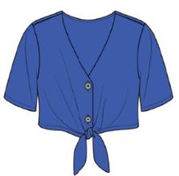 |  | 20 | 江西乾禾
842080 19913 3 | 506094 | LADIES TIE FRONT BTN TOP AIR F | 63910-GGRN | S-M-L-XL | GREEN | 480 | 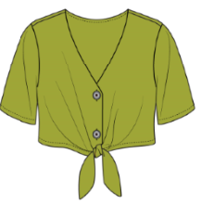 |  | 20 | 江西乾禾
842080 19912 6 | 506093 | LADIES TIE FRONT BTN TOP AIR F | 63910-BLK | S-M-L-XL | BLACK | 480 | 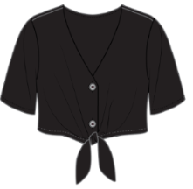 |  | 20 | 江西乾禾
842080 19918 8 | 506092 | LADIES TOP AIR FLOW SL W BUTT | 63299-W TAUP | S-M-L-XL | TAUPE | 480 | 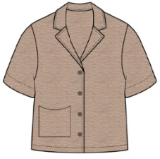 |  | 20 | 待定
842080 19915 7 | 506091 | LADIES TOP SHORT SLEEVE W BUTT | 63299-PK | S-M-L-XL | PINK | 480 | 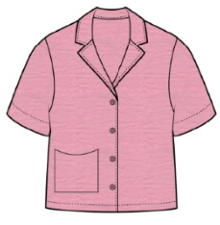 |  | 20 | 待定
842080 19916 4 | 506090 | LADIES TOP AIR FLOW SL W BUTT | 63299-MEL | S-M-L-XL | ORANGE | 480 | 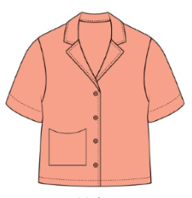 |  | 20 | 待定
842080 19917 1 | 506089 | LADIES TOP AIR FLOW SL W BUTT | 63299-C BLUE | S-M-L-XL | BLUE | 480 | 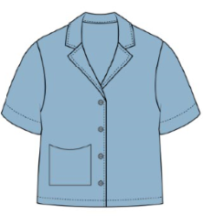 |  | 20 | 待定
842080 19923 2 | 506088 | LADIES LS BTN FRONT TOP | 62267-FUC | S-M-L-XL | FUCHSIA | 480 | 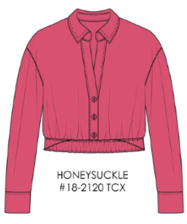 |  | 20 | 安徽丽裳
842080 19925 6 | 506087 | LADIES LS BTN FRONT TOP | 62267-CHMP | S-M-L-XL | CHAMPAGNE | 480 | 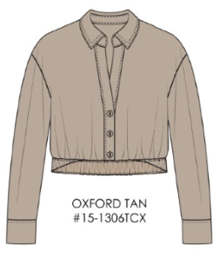 |  | 20 | 安徽丽裳
842080 19924 9 | 506086 | LADIES LS BTN FRONT TOP | 62267-B BLUE | S-M-L-XL | BABY BLUE/SKY BLUE | 480 | 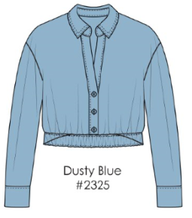 |  | 20 | 安徽丽裳

