平包装
UPC Number | Style | Color Code | JOB# | Size_desc | 数量
190917879001 | 224-B001 | ANIMAL PRINT | 105067 | XS | 15
190917879018 | 224-B001 | ANIMAL PRINT |  | S | 17
190917879025 | 224-B001 | ANIMAL PRINT |  | M | 18
190917879032 | 224-B001 | ANIMAL PRINT |  | L | 15
190917879049 | 224-B001 | ANIMAL PRINT |  | XL | 20
190917879056 | 224-B001 | ANIMAL PRINT |  | XXL | 17
190917879063 | 224-B001 | TIE DYE | 105213 | XS | 15
190917879070 | 224-B001 | TIE DYE |  | S | 16
190917879087 | 224-B001 | TIE DYE |  | M | 19
190917879094 | 224-B001 | TIE DYE |  | L | 20
190917879100 | 224-B001 | TIE DYE |  | XL | 17
190917879117 | 224-B001 | TIE DYE |  | XXL | 15
190917879124 | 224-B001 | BLACK | 105215 | XS | 15
190917879131 | 224-B001 | BLACK |  | S | 15
190917879148 | 224-B001 | BLACK |  | M | 20
190917879155 | 224-B001 | BLACK |  | L | 20
190917879162 | 224-B001 | BLACK |  | XL | 17
190917879179 | 224-B001 | BLACK |  | XXL | 15

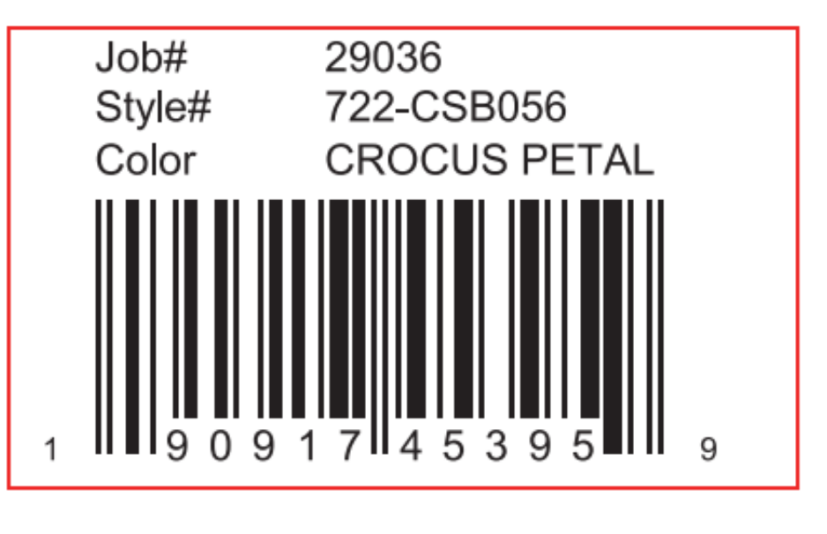

挂装
UPC Number | Style | Color Code | JOB# | Size_desc | 数量
400109938301 | 224-B001 | ANIMAL PRINT | 105066 | 6PCS | 400
400109955704 | 224-B001 | TIE DYE | 105212 | 6PCS | 200
400109955711 | 224-B001 | TIE DYE |  | AST6 | 100
400109955728 | 224-B001 | TIE DYE |  | 6PCS2 | 60
400109955735 | 224-B001 | TIE DYE |  | 6PCS6 | 30
400109955742 | 224-B001 | TIE DYE |  | 6PCS4 | 40
400109955759 | 224-B001 | TIE DYE |  | 6PCS5 | 40
400109955766 | 224-B001 | BLACK | 105214 | 6PCS | 200
400109953489 | 224-B001 | BLACK |  | AST6 | 100
400109953472 | 224-B001 | BLACK |  | 6PCS2 | 60
400109953441 | 224-B001 | BLACK |  | 6PCS6 | 30
400109953458 | 224-B001 | BLACK |  | 6PCS4 | 30
400109953465 | 224-B001 | BLACK |  | 6PCS5 | 40

