Sheet2
订购数量 | Order Code | Special Code (Package) | Name | Size Range | Colour Code | Size (2) | Barcode | Line Code | Line Description | MerchGrup | TAKSITLI FIYAT (TL) | PESIN FIYAT (TL) | Fit | Origin | Iade Grup | Fiyat Olusturma Tarihi
628 | 1135988 | W50250Z8 | KK.ELB,ALINA-YD | S - 3XL | LQJ | 2XL | 8684683586215 | EYT | WALL/DMB2 LINE | BGH | 665.99 | 599.99 | NORMAL KALIP REGULAR FIT | Üretim Yeri:Elbise - MYANMAR | W5-BG12 | Fiyat Olusturma Tarihi:12.12.2024
314 | 1135988 | W50250Z8 | KK.ELB,ALINA-YD | S - 3XL | LQJ | 3XL | 8684683586222 | EYT | WALL/DMB2 LINE | BGH | 665.99 | 599.99 | NORMAL KALIP REGULAR FIT | Üretim Yeri:Elbise - MYANMAR | W5-BG12 | Fiyat Olusturma Tarihi:12.12.2024
628 | 1135988 | W50250Z8 | KK.ELB,ALINA-YD | S - 3XL | LQJ | L | 8684683586239 | EYT | WALL/DMB2 LINE | BGH | 665.99 | 599.99 | NORMAL KALIP REGULAR FIT | Üretim Yeri:Elbise - MYANMAR | W5-BG12 | Fiyat Olusturma Tarihi:12.12.2024
628 | 1135988 | W50250Z8 | KK.ELB,ALINA-YD | S - 3XL | LQJ | M | 8684683586246 | EYT | WALL/DMB2 LINE | BGH | 665.99 | 599.99 | NORMAL KALIP REGULAR FIT | Üretim Yeri:Elbise - MYANMAR | W5-BG12 | Fiyat Olusturma Tarihi:12.12.2024
314 | 1135988 | W50250Z8 | KK.ELB,ALINA-YD | S - 3XL | LQJ | S | 8684683586253 | EYT | WALL/DMB2 LINE | BGH | 665.99 | 599.99 | NORMAL KALIP REGULAR FIT | Üretim Yeri:Elbise - MYANMAR | W5-BG12 | Fiyat Olusturma Tarihi:12.12.2024
628 | 1135988 | W50250Z8 | KK.ELB,ALINA-YD | S - 3XL | LQJ | XL | 8684683586260 | EYT | WALL/DMB2 LINE | BGH | 665.99 | 599.99 | NORMAL KALIP REGULAR FIT | Üretim Yeri:Elbise - MYANMAR | W5-BG12 | Fiyat Olusturma Tarihi:12.12.2024
 | B |  |  | D |  | C | E |  |  |  | G | H | A | F |  | I
3140
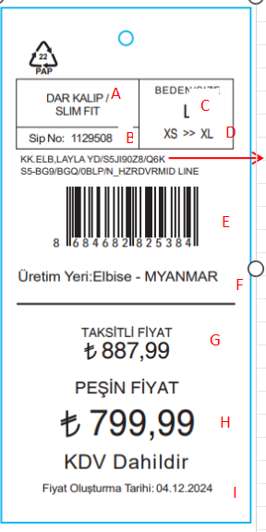

 |  |  |  |  |  |  |  | 分别按照D/C/I/AA/O/M/N 列信息排搞，每段信息用/隔开

Sheet1
Company Name | Style Ref | Style Name | Special Code | Order No | StyleID | Product Group | Status | Size | Ratio | ProductCode1 | ProductCode2 | ProductCode3 | ProductCode4 | ProductCode5 | ProductCode1Quantity | ProductCode2Quantity | ProductCode3Quantity | ProductCode4Quantity | ProductCode5Quantity | Line Code | Line Description | MerchGrup
LC WAiKiKi MAGAZACILIK HIZMETLERI TICARET A.S. | T5LW5K8EY5013004 | KK.ELB,ALINA-YD / LQJ-BLACK PRINTED | W50250D8 | 1135988 | 2999917241423 | KNIT DRESS/ÖRM ELB | 1 | 2XL 3XL L M S XL | 2 1 2 2 1 2 | T1LW5K8EY5013001 |  |  |  |  | 10 | 0 | 0 | 0 | 0 | EYT | DMB2 LINE | BGH

