平包装
UPC Number | Style | Color Code | JOB# | Size_desc | 数量
190917879186 | 1024-CSB175 | BLACK | 105223 | XS | 10
190917879193 | 1024-CSB175 | BLACK |  | S | 15
190917879209 | 1024-CSB175 | BLACK |  | M | 15
190917879216 | 1024-CSB175 | BLACK |  | L | 20
190917879223 | 1024-CSB175 | BLACK |  | XL | 20
190917879230 | 1024-CSB175 | BLACK |  | XXL | 15
190917879247 | 1024-CSB175 | CORAL P | 105223 | XS | 10
190917879254 | 1024-CSB175 | CORAL P |  | S | 15
190917879261 | 1024-CSB175 | CORAL P |  | M | 15
190917879278 | 1024-CSB175 | CORAL P |  | L | 20
190917879285 | 1024-CSB175 | CORAL P |  | XL | 20
190917879292 | 1024-CSB175 | CORAL P |  | XXL | 15

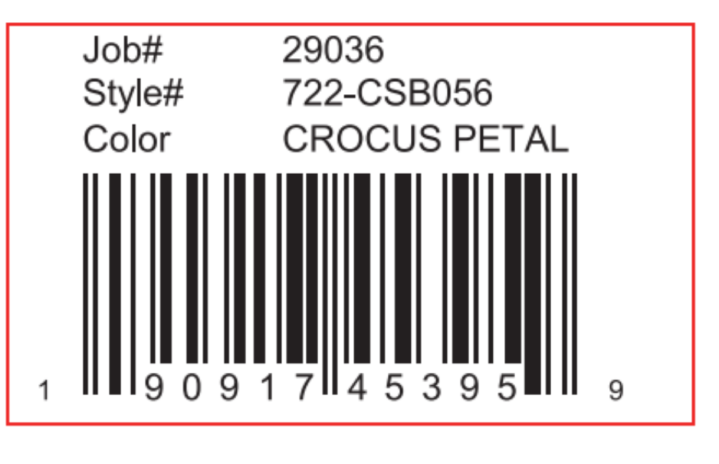

挂装
UPC Number | Style | Color Code | JOB# | Size_desc | 数量
400109944296 | 1024-CSB175 | BLACK | 105222 | 6PCS2 | 40
400109944302 | 1024-CSB175 | BLACK |  | AST6 | 110
400109944319 | 1024-CSB175 | BLACK |  | 6PCS | 300
400109944333 | 1024-CSB175 | CORAL P |  | 6PCS2 | 40
400109944340 | 1024-CSB175 | CORAL P |  | AST6 | 110
400109944357 | 1024-CSB175 | CORAL P |  | 6PCS | 300

