Sheet1
 | KATIEJ NYC ORDER
S.NO | FABRIC | STYLE NAME | DIGITAL | COLOR | PO NO | S | M | L | XL | TOTAL QTY | 生产数量
1 | 100% COTTON | BEBE SKIRT T |  | PINK ROSE GAUZE PRINTED | 51725 | 16 | 16 | 16 | 16 | 64 | 68
 |  |  |  |  | 51726 | 4 | 6 | 4 | 2 | 16 | 20
 |  |  |  |  | 51727 | 17 | 33 | 32 | 18 | 100 | 104
 |  |  |  |  | 51728 | 4 | 7 | 8 | 6 | 25 | 29
2 |  | SUSIE SHORTS T | 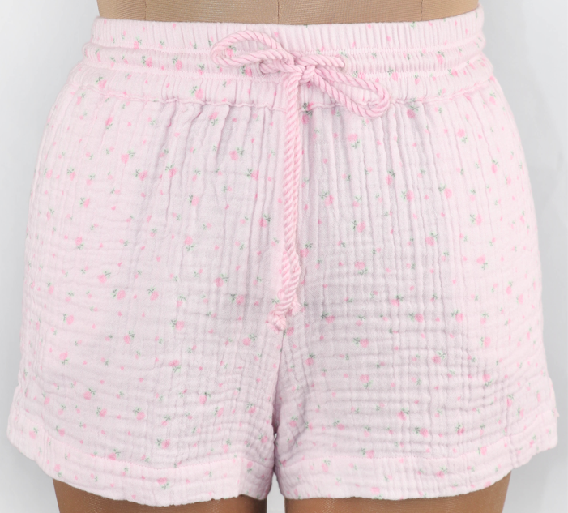 | WHITE GAUZE DYED | 51727 | 23 | 43 | 42 | 24 | 132 | 140
 |  |  |  |  | 51728 | 2 | 5 | 6 | 5 | 18 | 26
6 |  | KIKI PANTS T | 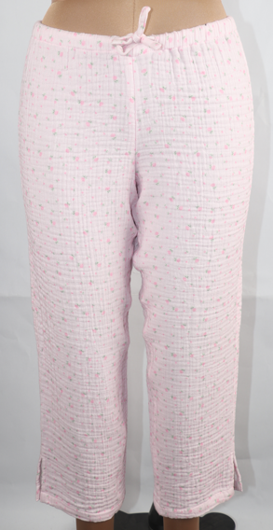 | PINK ROSE GAUZE PRINTED | 51725 | 16 | 16 | 16 | 16 | 64 | 66
 |  |  |  |  | 51726 | 4 | 6 | 4 | 2 | 16 | 18
 |  |  |  |  | 51727 | 17 | 31 | 31 | 18 | 97 | 99
 |  |  |  |  | 51728 | 3 | 7 | 8 | 5 | 23 | 25
 |  |  |  | WHITE GAUZE DYED | 51725 | 16 | 16 | 16 | 16 | 64 | 66
 |  |  |  |  | 51726 | 4 | 6 | 4 | 2 | 16 | 18
 |  |  |  |  | 51727 | 24 | 44 | 45 | 28 | 141 | 143
 |  |  |  |  | 51728 | 4 | 10 | 10 | 5 | 29 | 31
3 |  | WILLOW TOP T |  | PINK ROSE GAUZE PRINTED | 51727 | 17 | 33 | 32 | 18 | 100 | 108
 |  |  |  |  | 51728 | 4 | 7 | 8 | 6 | 25 | 33
4 |  | SHARI TOP T | 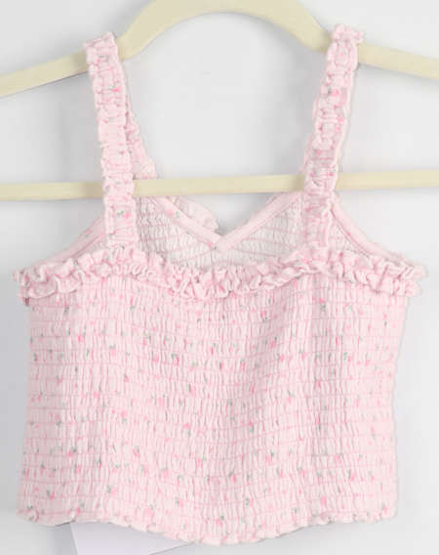 | PINK ROSE GAUZE PRINTED | 51725 | 24 | 24 | 24 | 24 | 96 | 104
 |  |  |  |  | 51726 | 4 | 6 | 4 | 2 | 16 | 24
5 |  | ELIZA TOP T |  | PINK ROSE GAUZE PRINTED | 51725 | 16 | 16 | 16 | 16 | 64 | 70
 |  |  |  |  | 51726 | 4 | 6 | 4 | 2 | 16 | 20
 |  |  |  | WHITE GAUZE DYED | 51725 | 16 | 16 | 16 | 16 | 64 | 66
 |  |  |  |  | 51726 | 4 | 6 | 4 | 2 | 16 | 18
 |  |  |  |  | 51727 | 29 | 54 | 54 | 34 | 171 | 173
 |  |  |  |  | 51728 | 4 | 10 | 10 | 5 | 29 | 31

