订购表
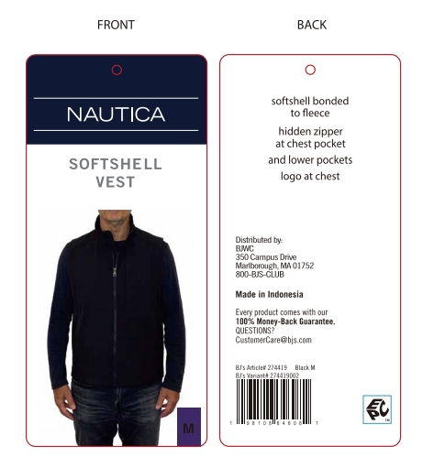
Image | REF# | Description of Goods | Size | Quantity | 分发给 濮阳时佳汇服装有限公司 | 发给 Qingdao Skyline Garment Co., Ltd. | style# | color | samples | UPC
 | 芯片吊牌 | NAUTICA LIGHTWEIGHT VEST | S | 1365 | 90 | 1275 | 333947 | EBONY |  | 198108894567
 |  | NAUTICA LIGHTWEIGHT VEST | M | 2730 | 180 | 2550 | 333947 | EBONY | 5 | 198108894574
 |  | NAUTICA LIGHTWEIGHT VEST | L | 5460 | 360 | 5100 | 333947 | EBONY |  | 198108894581
 |  | NAUTICA LIGHTWEIGHT VEST | XL | 5460 | 360 | 5100 | 333947 | EBONY |  | 198108894598
 |  | NAUTICA LIGHTWEIGHT VEST | XXL | 1365 | 90 | 1275 | 333947 | EBONY |  | 198108894604
 |  | NAUTICA LIGHTWEIGHT VEST | S | 1365 | 90 | 1275 | 333947 | NAVY SEAS |  | 198108877010
 |  | NAUTICA LIGHTWEIGHT VEST | M | 2730 | 180 | 2550 | 333947 | NAVY SEAS | 5 | 198108877027
 |  | NAUTICA LIGHTWEIGHT VEST | L | 2730 | 180 | 2550 | 333947 | NAVY SEAS |  | 198108877034
 |  | NAUTICA LIGHTWEIGHT VEST | XL | 1365 | 90 | 1275 | 333947 | NAVY SEAS |  | 198108877041
 |  | NAUTICA LIGHTWEIGHT VEST | XXL | 1365 | 90 | 1275 | 333947 | NAVY SEAS |  | 198108877058
 |  | NAUTICA LIGHTWEIGHT VEST | S | 1365 | 90 | 1275 | 333947 | OLIVE BROWN |  | 198108876945
 |  | NAUTICA LIGHTWEIGHT VEST | M | 1365 | 90 | 1275 | 333947 | OLIVE BROWN | 5 | 198108876952
 |  | NAUTICA LIGHTWEIGHT VEST | L | 1365 | 90 | 1275 | 333947 | OLIVE BROWN |  | 198108876969
 |  | NAUTICA LIGHTWEIGHT VEST | XL | 1365 | 90 | 1275 | 333947 | OLIVE BROWN |  | 198108876976
 |  | NAUTICA LIGHTWEIGHT VEST | XXL | 1365 | 90 | 1275 | 333947 | OLIVE BROWN |  | 198108876983
TOTAL: |  |  |  | 32760
Remark:

 |  |  |  |  | 发至：濮阳市南乐县西邵乡寨里村工业园区 濮阳时佳汇服装有限公司，裴艳艳13718268254

 |  |  | Qingdao Skyline Garment Co., Ltd. Room 1101, Building 1, Yulong International Center, No. 178-2th Haier Road, Laoshan District, Qingdao, Shandong 山东省青岛市崂山区海尔路178-2号1号楼裕龙国际中心1101室 Cell Phone No: 13012471716

