Sheet1
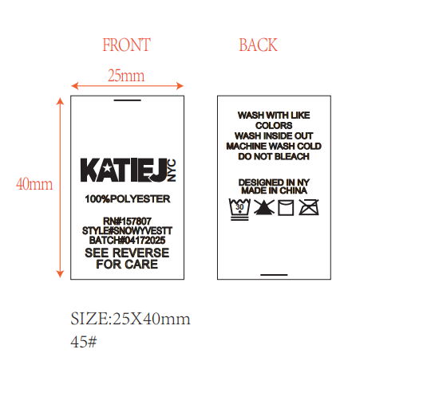
 | STYLE# | MAVERICKJKTT

 | BATCH# | 05302025

#REF!
生产
285

