价格牌数量（补单）6.3
Style Code | Order Number | ColorCode-Name | XS | S | M | L | XL | 价格牌背面
F2313AX | 1657252 | BR501 - ROSE | 5 | 10 | 10 | 10 | 5 | 有价格 | 40
 |  | BR457 - D.BORDOEAUX | 7 | 14 | 14 | 14 | 7 | 有价格 | 56
 | 1657738 | BR501 - ROSE | 6 | 12 | 12 | 12 | 6 | 有价格 | 48
 |  | BR457 - D.BORDOEAUX | 8 | 16 | 16 | 16 | 8 | 有价格 | 64
 |  |  |  |  |  |  |  |  | 208

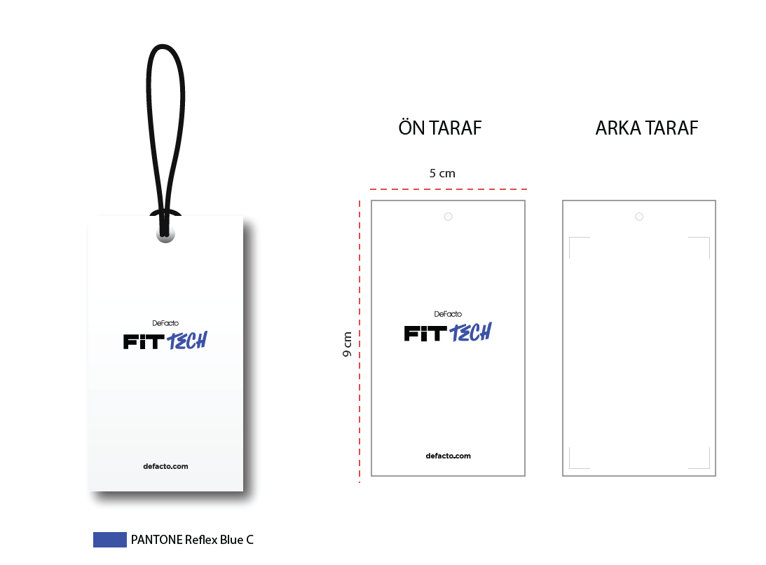

 |  |  |  |  |  |  | 价格牌： | 新款蓝黑吊牌

