主标数量6.9
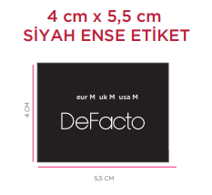
款号 | XS | S | M | L | XL
F2914AX | 478 | 878 | 878 | 478 | 478 | 3190
 | 478 | 878 | 878 | 478 | 478 | 3190

