主标数量6.9
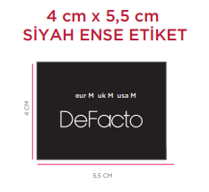
款号 | S | M | L
F5570AX | 1024 | 1024 | 1024 | 3072
 | 1024 | 1024 | 1024 | 3072

